Exportar_resultados_AP
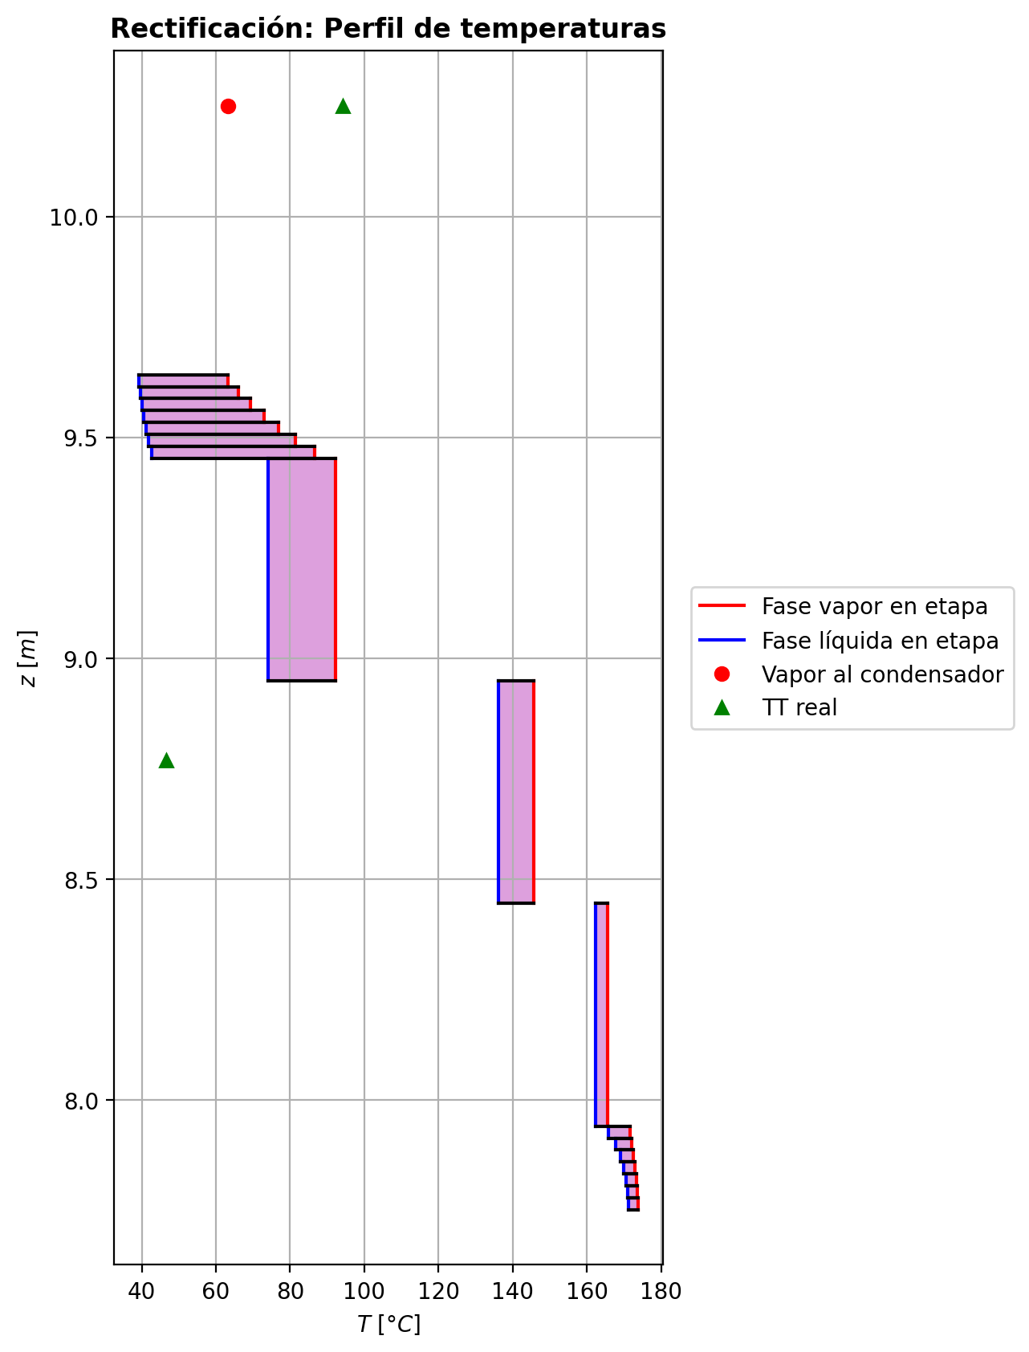
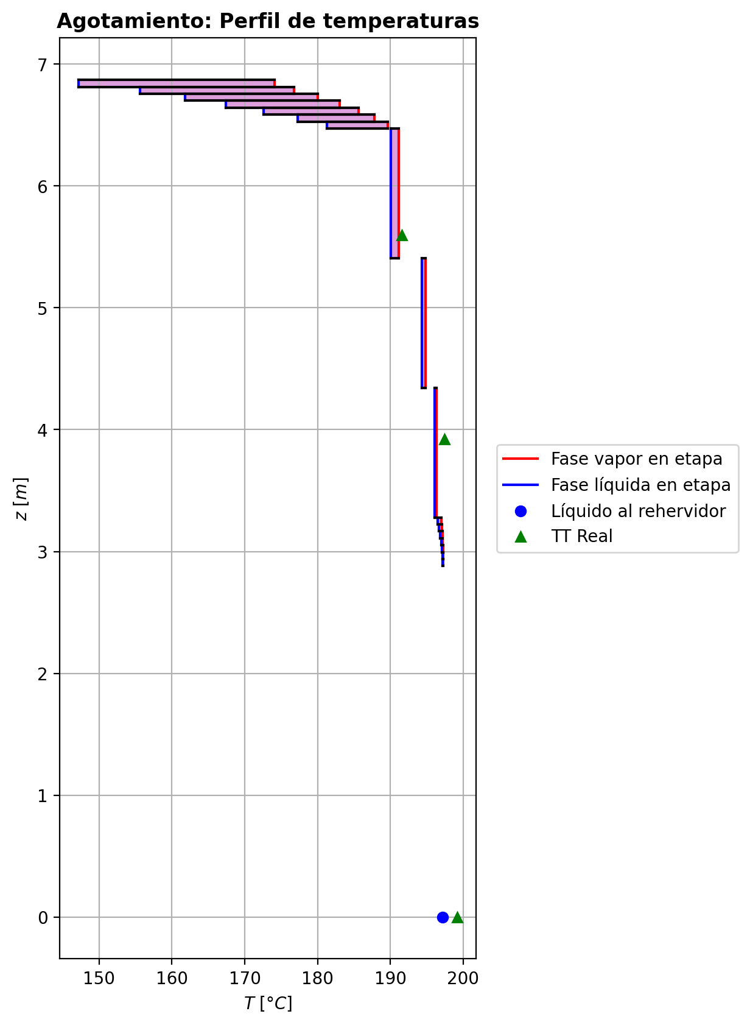
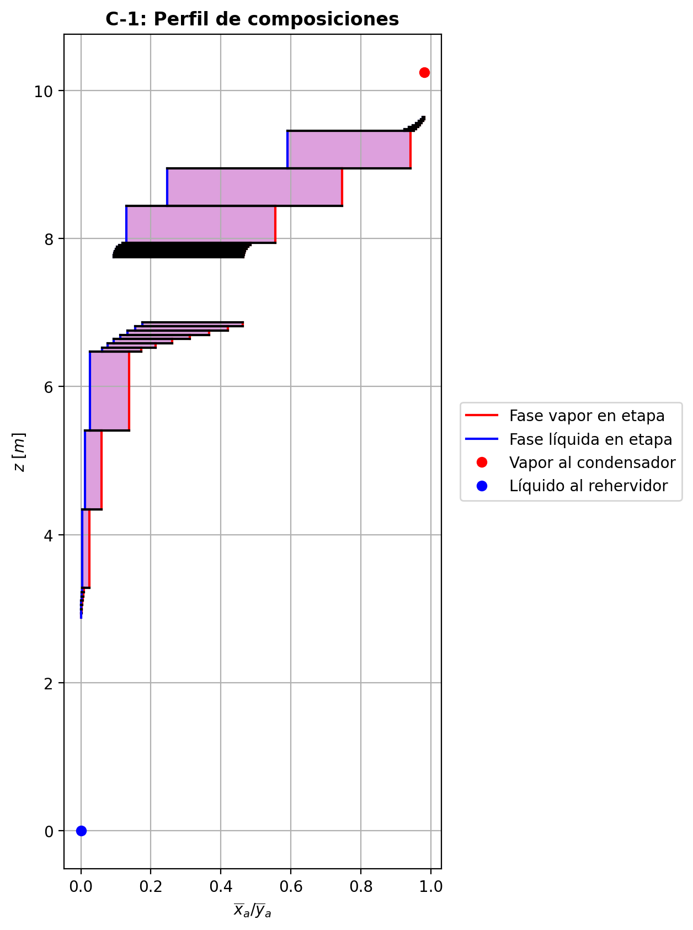
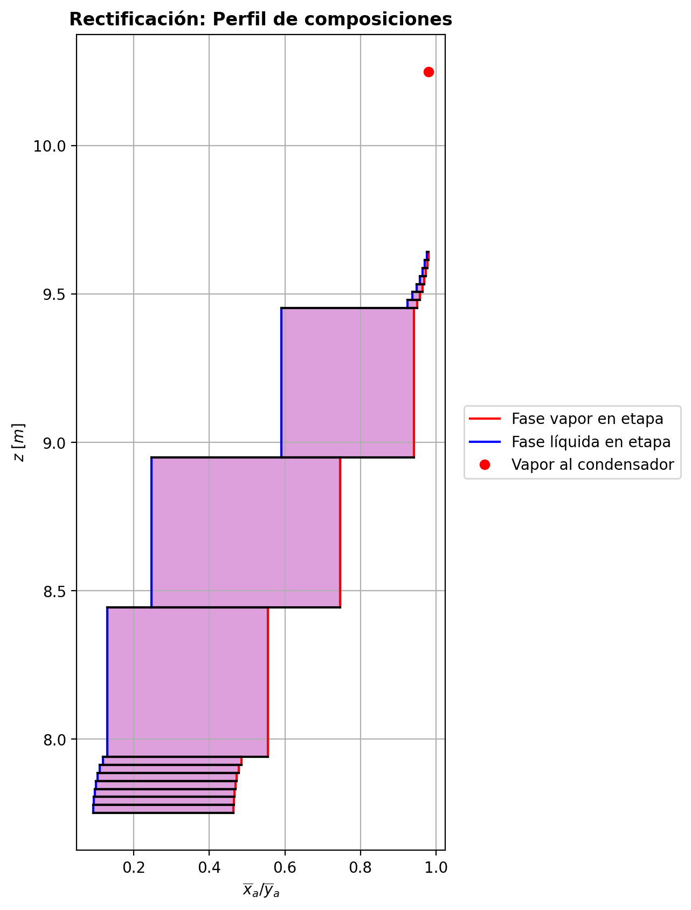
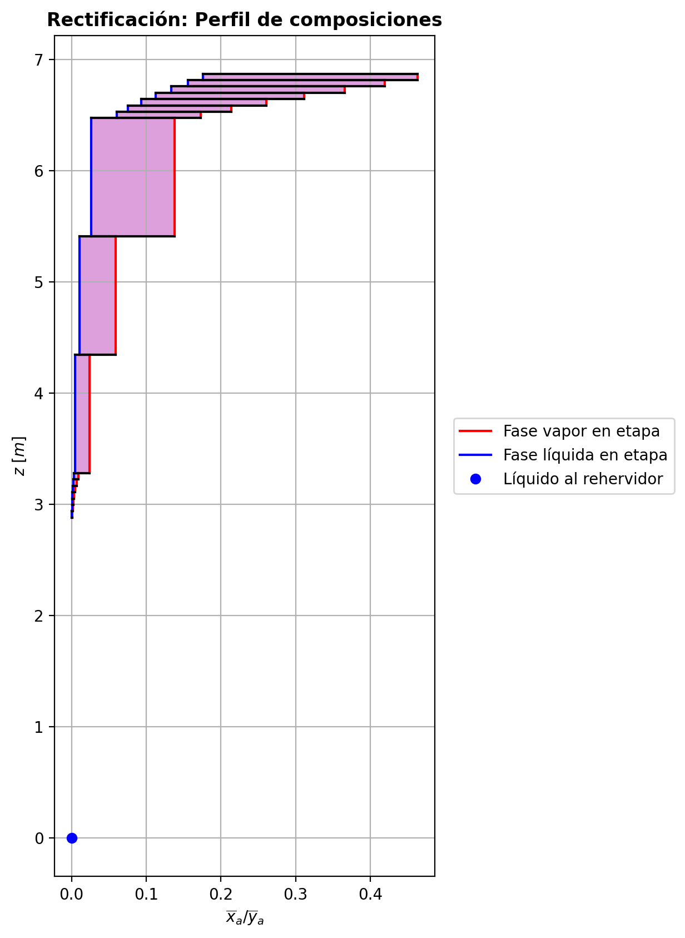
$${\left[N_{t}=N_{a}+N_{w} \right]}_{2}$$
$${\left[N_{t}=N_{a}+N_{w} \right]}_{ps1+ps2−3}$$
$$F_{fría}^{l}+F_{caliente}^{l}=P_{fría}^{l}+P_{caliente}^{l}$$
$${\left[J_{a}^{g}=Γ^{g,b}ρ^{g,b}k_{bm}^{g}a_{ef}A_{tr}Z\left(y_{a}^{b}−y_{a}^{I}\right)\right]}_{2}$$
$${\left(N_{t}\right)}_{2}=V_{3}−V_{2}=L_{2}−{\left(L_{1}−P^{l}\right)}_{E−3}$$
$${\left[J_{a}^{g}=Γ^{g,b}ρ^{g,b}k_{bm}^{g}a_{ef}A_{tr}Z\left(y_{a}^{b}−y_{a}^{I}\right)\right]}_{s}$$
$${\left[N_{t}=N_{a}+N_{w} \right]}_{s}$$
$${\left[J_{a}^{g}=Γ^{g,b}ρ^{g,b}k_{bm}^{g}a_{ef}A_{tr}Z\left(y_{a}^{b}−y_{a}^{I}\right)\right]}_{ps1+ps2−3}$$
Caso | 33 |  |  | Economizador E-1 |  |  |  |  |  |  |  |  | Condensador E-3 (s=1) |  |  |  |  |  |  |  |  | s=2 |  |  |  |  |  |  |  |  |  |  |  |  |  |  | s={3,…,ps1+ps2-4} |  |  |  |  |  |  |  |  |  |  |  |  |  |  |  | s=ps1+ps2-3 |  |  |  |  |  |  |  |  |  |  |  |  |  |  |  |  | Rehervidor E-2 (s=ps1+ps2-2)
ps1 | 19 |  | Representación y balances |  |  |  |  |  |  |  |  |  |  |  |  |  |  |  |  |  |  | Atr [m2] | 0.15904312809 |  |  |  |  |  |  |  |  |  |  |  |  |  | s |  | Atr [m2] | 0.15904312809 |  |  |  |  |  |  |  |  |  |  |  |  | Atr [m2] | 0.15904312809
ps2 | 19 |  |  | Pl [kmol/h]= | 37.833244 | Fl [kmol/h]= | 48.0624645 | Balance de Masa Total [kmol/h] |  |  |  |  | V2 [kmol/h]= | 36.7963642 |  |  | Balance de Masa Total [kmol/h] |  |  |  |  |  | V2 [kmol/h]= | 36.7963642 |  |  | L1-Pl en E-3 [kmol/h]= | 26.5671438 |  | Balance de Masa Total [kmol/h] |  |  |  |  |  |  |  |  | Vs [kmol/h]= | #VALUE! |  |  | Ls-1 [kmol/h]= | #VALUE! |  | Balance de Masa Total [kmol/h] |  |  |  |  |  |  |  |  | Vps1+ps2-3 [kmol/h]= | 30.3511065 |  |  | Lps1+ps2-4 [kmol/h]= | 68.1843507 |  | Balance de Masa Total [kmol/h] |  |  |  |  |  |  |  | Lps1+ps2-3 [kmol/h]= | 68.1876648 | Vps1+ps2-2 [kmol/h]= | 0.00321873217 |  |  | Balance de Masa Total [kmol/h]
$$V_{2}=L_{1}$$
$${\left[J_{a}^{l}=Γ^{l,b}ρ^{l,b}k_{bm}^{l}a_{ef}A_{tr}Z\left(x_{a}^{I}−x_{a}^{b}\right)\right]}_{2}$$
$${\left[J_{a}^{l}=Γ^{l,b}ρ^{l,b}k_{bm}^{l}a_{ef}A_{tr}Z\left(x_{a}^{I}−x_{a}^{b}\right)\right]}_{s}$$
$${\left(N_{t}\right)}_{s}=V_{s+1}−V_{s}=L_{s}−L_{s−1}−F_{s}^{l}$$
$${\left[J_{a}^{l}=Γ^{l,b}ρ^{l,b}k_{bm}^{l}a_{ef}A_{tr}Z\left(x_{a}^{I}−x_{a}^{b}\right)\right]}_{ps1+ps2−3}$$
$${\left(N_{t}\right)}_{ps1+ps2−3}=V_{ps1+ps2−2}−V_{ps1+ps2−3}+F_{ps1+ps2−3}^{g}=L_{ps1+ps2−3}−L_{ps1+ps2−4}−F_{ps1+ps2−3}^{l}$$
$$L_{ps1+ps2−3}=P_{ps1+ps2−2}^{g}+P_{ps1+ps2−2}^{l}+V_{ps1+ps2−2}$$
flowmode1 | MIXED |  |  | T [°C]= | 66.8459185 | T [°C]= | 20 |  |  |  |  |  | T [°C]= | 63.2513975 |  |  |  |  |  |  |  |  | T [°C]= | 63.2513975 |  |  | T [°C]= | 38.8138605 |  |  |  |  |  |  |  |  |  |  | T [°C]= | #VALUE! |  |  | T [°C]= | #VALUE! |  |  |  |  |  |  |  |  |  |  | T [°C]= | 197.28856 |  |  | T [°C]= | 197.141958 |  |  |  |  |  |  |  |  |  | T [°C]= | 197.19649 | T [°C]= | 197.176032 | Pg [kmol/h]= | 30.351202
$${\left[Q^{g}=k_{h}^{g}a_{ef}A_{tr}Z\left(T^{g,b}−T^{I}\right)\right]}_{2}$$
$${\left[Q^{g}=k_{h}^{g}a_{ef}A_{tr}Z\left(T^{g,b}−T^{I}\right)\right]}_{s}$$
$${\left[Q^{g}=k_{h}^{g}a_{ef}A_{tr}Z\left(T^{g,b}−T^{I}\right)\right]}_{ps1+ps2−3}$$
$${f_{v}\left(L−P^{l}\right)}_{ps1+ps2−2}=P_{ps1+ps2−2}^{g}$$
flowmode2 | MIXED |  |  | P [bar]= | 14.6888266 | P [bar]= | 18.6326 |  | 85.8957085 | = | 85.8957085 |  | P [bar]= | 14.6937395 |  |  |  | 36.7963642 | = | 36.7963642 |  |  | P [bar]= | 14.6937395 |  |  | P [bar]= | 14.6937395 |  |  | -0.388964666 | = | -0.3889646 | = | -0.3889646 |  |  |  | P [bar]= | #VALUE! |  |  | P [bar]= | #VALUE! |  |  | #VALUE! | = |  | = | #VALUE! |  |  |  | P [bar]= | 14.6986107 |  |  | P [bar]= | 14.6985636 |  |  |  | 0.003314156 | = | 0.00331423217 | = | 0.0033141 |  | P [bar]= | 14.6986107 | P [bar]= | 14.6986579 | T [°C]= | 197.302852
$${\left[Q^{l}=k_{h}^{l}a_{ef}A_{tr}Z\left(T^{I}−T^{l,b}\right)\right]}_{2}$$
$${\left[Q^{l}=k_{h}^{l}a_{ef}A_{tr}Z\left(T^{I}−T^{l,b}\right)\right]}_{s}$$
$${\left[Q^{l}=k_{h}^{l}a_{ef}A_{tr}Z\left(T^{I}−T^{l,b}\right)\right]}_{ps1+ps2−3}$$
simtype | 1 |  |  | xa molar= | 0.000544519681 | xa molar= | 0.209145562 |  |  |  |  |  | ya molar= | 0.980666151 |  |  |  |  |  |  |  | z top [m]= | ya molar= | 0.980666151 |  |  | xa molar= | 0.980666151 |  |  |  |  |  |  |  |  |  | z top [m]= | ya molar= | #VALUE! |  |  | xa molar= | #VALUE! |  |  |  |  |  |  |  |  |  | z top [m]= | ya molar= | 0.00103738692 |  |  | xa molar= | 0.000763911178 |  |  |  |  |  |  |  |  |  | xa molar= | 0.00054485939 | ya molar= | 0.00342003622 | P [bar]= | 14.6986579 |  |  | 68.1876648 | = | 68.187664732
$${\left(N_{a}\right)}_{ps1+ps2−3}={\left(Vy_{a}\right)}_{ps1+ps2−2}−{\left(Vy_{a}\right)}_{ps1+ps2−3}+{\left(F^{g}y_{a}\right)}_{ps1+ps2−3}={\left(Lx_{a}\right)}_{ps1+ps2−3}−{\left(Lx_{a}\right)}_{ps1+ps2−4}−{\left(F^{l}x_{a}\right)}_{ps1+ps2−3}$$
pborde1 | 0.1 |  |  | h [kJ/kmol]= | -282547.584 | h [kJ/kmol]= | -243616.793 | Balance de Masa Amoníaco [kmol/h] |  |  |  |  | h [kJ/kmol]= | -49489.2374 |  |  | Balance de Masa Amoníaco [kmol/h] |  |  |  |  | 9.6416 | h [kJ/kmol]= | -49489.2374 |  |  | h [kJ/kmol]= | -70325.0948 |  | Balance de Masa Amoníaco [kmol/h] |  |  |  |  |  |  |  | #VALUE! | h [kJ/kmol]= | #VALUE! |  |  | h [kJ/kmol]= | #VALUE! |  | Balance de Masa Amoníaco [kmol/h] |  |  |  |  |  |  |  | 2.9376 | h [kJ/kmol]= | -237247.245 |  |  | h [kJ/kmol]= | -272438.128 |  | Balance de Masa Amoníaco [kmol/h] |  |  |  |  |  |  |  | h [kJ/kmol]= | -272479.685 | h [kJ/kmol]= | -236779.017 | ya molar= | 0.000544977931 |  |  | 30.351201916 | = | 30.351202
$${\left(F^{l}x_{a,F}\right)}_{fría}+{\left(F^{l}x_{a,F}\right)}_{caliente}={\left(P^{l}x_{a,P}\right)}_{fría}+{\left(P^{l}x_{a,P}\right)}_{caliente}$$
$${\left(Vy_{a}\right)}_{2}={\left(Lx_{a}\right)}_{1}$$
$${\left(N_{a}\right)}_{2}={\left(Vy_{a}\right)}_{3}−{\left(Vy_{a}\right)}_{2}={\left(Lx_{a}\right)}_{2}−{\left[\left(L_{1}−P^{l}\right)x_{a}\right]}_{E−3}$$
$${\left(N_{a}\right)}_{s}={\left(Vy_{a}\right)}_{s+1}−{\left(Vy_{a}\right)}_{s}={\left(Lx_{a}\right)}_{s}−{\left(Lx_{a}\right)}_{s−1}−{\left(F^{l}x_{a}\right)}_{s}$$
nborde1 | 7 |  |  |  |  |  |  |  |  |  |  |  |  |  |  |  |  |  |  |  |  |  |  |  | TI [°C]= | 39.4555166 |  |  |  |  |  |  |  |  |  |  | NO APLICA |  |  |  | TI [°C]= | #VALUE! |  |  |  |  |  |  |  |  |  |  | NO APLICA |  |  |  | TI [°C]= | 197.20305 |  |  |  |  |  |  |  |  |  |  |  |  |  |  |  | h [kJ/kmol]= | -237344.50155
$${\left(N_{a}\right)}_{2}={\left(J_{a}^{g}\right)}_{2}+{\left(N_{t}y_{a}^{b}\right)}_{2}={\left(J_{a}^{l}\right)}_{2}+{\left(N_{t}x_{a}^{b}\right)}_{2}$$
$${\left(N_{a}\right)}_{s}={\left(J_{a}^{g}\right)}_{s}+{\left(N_{t}y_{a}^{b}\right)}_{s}={\left(J_{a}^{l}\right)}_{s}+{\left(N_{t}x_{a}^{b}\right)}_{s}$$
$${\left(N_{a}\right)}_{ps1+ps2−3}={\left(J_{a}^{g}\right)}_{ps1+ps2−3}+{\left(N_{t}y_{a}^{b}\right)}_{ps1+ps2−3}={\left(J_{a}^{l}\right)}_{ps1+ps2−3}+{\left(N_{t}x_{a}^{b}\right)}_{ps1+ps2−3}$$
pborde2 | 0.1 |  |  |  |  |  |  |  | 10.072652095 | = | 10.072652095 |  |  |  |  |  |  | 36.084948851 | = | 36.084948851 |  |  | V2b [kmol/h]= | 36.7963642 | yaI molar= | 0.999934489 | L2b [kmol/h]= | 26.1781792 |  |  |  |  |  |  |  |  | Fl Alimentación [kmol/h]= | #VALUE! | Vsb [kmol/h]= | #VALUE! | yaI molar= | #VALUE! | Lsb [kmol/h]= | #VALUE! |  |  |  |  |  |  |  |  | Fl Alimentación [kmol/h]= | - | Vps1+ps2-3b [kmol/h]= | 30.3511065 | yaI molar= | 0.00280457706 | Lps1+ps2-3b [kmol/h]= | 68.1876648 |  |  |  |  |  |  |  |  |  |  |  |  |  |  |  | Balance de Masa Amoníaco [kmol/h]
$${\left(Lx_{a}\right)}_{ps1+ps2−3}={\left(P^{g}y_{a}\right)}_{ps1+ps2−2}+{\left(P^{l}y_{a}\right)}_{ps1+ps2−2}+{\left(Vy_{a}\right)}_{ps1+ps2−2}$$
nborde2 | 7 |  |  | Q̇ [kJ/h]= |  |  |  |  |  |  |  |  | Q̇ [kJ/h]= |  |  |  |  |  |  |  |  |  | Tg,b [°C]= | 63.2513975 | xaI molar= | 0.966132181 | Tl,b [°C]= | 39.3259147 |  |  | -0.498449107 | = | -0.4984490617 | = | -0.49844904564 |  | T [°C]= | #VALUE! | Tg,b [°C]= | #VALUE! | xaI molar= | #VALUE! | Tl,b [°C]= | #VALUE! |  |  | #VALUE! | = |  | = | #VALUE! |  | T [°C]= | - | Tg,b [°C]= | 197.28856 | xaI molar= | 0.000446484507 | Tl,b [°C]= | 197.19649 |  |  |  | -0.0149340984 | = | -0.014934097441 | = | -0.014934098216
$$\dot{Q}={{\left(P^{l}h_{P}\right)}_{fría}−\left(F^{l}h_{F}\right)}_{fría}$$
$${\left[\left(L−P^{l}\right)x_{a}\right]}_{ps1+ps2−2}={\left(P^{g}y_{a}\right)}_{ps1+ps2−2}+{\left[\left(L−P^{l}−P^{g}\right)x_{a}\right]}_{ps1+ps2−2}$$
Molar RR | 2.59718168 |  |  | 380836.044 |  |  |  | Balance de Energía [kJ/h] |  |  |  |  | 766683.798 |  |  |  | Balance de Energía [kJ/h] |  |  |  |  |  | P [bar]= | 14.6937395 | Na [kmol/h]= | -0.498449107 | P [bar]= | 14.6937395 |  |  | -0.498449107 | = | -0.498449107 | = | -0.498449107 |  | P [bar]= | #VALUE! | P [bar]= | #VALUE! | Na [kmol/h]= | #VALUE! | P [bar]= | #VALUE! |  |  | #VALUE! | = | #VALUE! | = | #VALUE! |  | P [bar]= | - | P [bar]= | 14.6986107 | Na [kmol/h]= | -0.0149340984 | P [bar]= | 14.6986107 |  |  |  | -0.0149340984 | = | -0.0149340984 | = | -0.0149340984 |  |  |  | Lps1+ps2-2-Pl-Pg [kmol/h]= | 0.0303815
$$\dot{Q}={\left(Vh\right)}_{2}−{\left(Lh\right)}_{1}$$
Molar BR | 0.802321386 |  |  |  |  |  |  |  |  |  |  |  |  |  |  |  |  |  |  |  |  |  | yab molar= | 0.980666151 | Nw [kmol/h]= | 0.109484441 | xab molar= | 0.976196603 |  |  |  |  |  |  |  |  | xa molar= | #VALUE! | yab molar= | #VALUE! | Nw [kmol/h]= | #VALUE! | xab molar= | #VALUE! |  |  |  |  |  |  |  |  | xa molar= | - | yab molar= | 0.00103738692 | Nw [kmol/h]= | 0.0182482544 | xab molar= | 0.00054485939 |  |  |  |  |  |  |  |  |  |  |  | T [°C]= | 197.302852 |  |  |  |  | 0.037152689448 | = | 0.037152689404
$$\dot{Q}={\left(F^{l}h_{F}\right)}_{caliente}−{\left(P^{l}h_{P}\right)}_{caliente}$$
$$E_{ps1+ps2−3}={\left(Vh\right)}_{ps1+ps2−2}−{\left(Vh\right)}_{ps1+ps2−3}+{\left(F^{g}h\right)}_{ps1+ps2−3}={\left(Lh\right)}_{ps1+ps2−3}−{\left(Lh\right)}_{ps1+ps2−4}−{\left(F^{l}h\right)}_{ps1+ps2−3}$$
Molar fv Reboiler | 0.999 |  |  |  |  |  |  |  |  |  |  |  | L1 [kmol/h]= | 36.7963642 |  |  |  | 766683.798 | = | 766683.79731 |  |  |  |  | Nt [kmol/h]= | -0.388964666 |  |  |  | Balance de Energía [kJ/h] |  |  |  |  |  |  | h [kJ/kmol]= | #VALUE! |  |  | Nt [kmol/h]= | #VALUE! |  |  |  | Balance de Energía [kJ/h] |  |  |  |  |  |  | h [kJ/kmol]= | - |  |  | Nt [kmol/h]= | 0.003314156 |  |  |  | Balance de Energía [kJ/h] |  |  |  |  |  |  |  |  |  | P [bar]= | 14.6986579 |  |  |  |  | 0.016543370156 | = | 0.01654337021
$$E_{2}={\left(Vh\right)}_{3}−{\left(Vh\right)}_{2}={\left(Lh\right)}_{2}−{\left[\left(L_{1}−P^{l}\right)h\right]}_{E−3}$$
$$E_{s}={\left(Vh\right)}_{s+1}−{\left(Vh\right)}_{s}={\left(Lh\right)}_{s}−{\left(Lh\right)}_{s−1}−{\left(F^{l}h\right)}_{s}$$
$$E_{ps1+ps2−3}={\left(Q^{g}\right)}_{ps1+ps2−3}+{\left(ΣN_{i}{\hat{h}}_{i}^{g,b}\right)}_{ps1+ps2−3}={\left(Q^{l}\right)}_{ps1+ps2−3}+{\left(ΣN_{i}{\hat{h}}_{i}^{l,b}\right)}_{ps1+ps2−3}$$
Mass xa Distillate | 0.97957109 |  |  | Fl=Pl en E-2 [kmol/h]= | 37.833244 | Pl=Fl Alimentación [kmol/h]= | 48.0624645 |  | 380836.044 | = | 380836.05852 |  | T [°C]= | 38.8138605 |  |  |  |  |  |  |  |  |  |  | E [kJ/h]= | 1082.06127 |  |  |  |  |  |  |  |  |  |  |  |  |  |  | E [kJ/h]= | #VALUE! |  |  |  |  |  |  |  |  |  |  |  |  |  |  | E [kJ/h]= | -3736.61697 |  |  |  |  |  |  |  |  |  |  |  |  |  | xa molar= | 8.67284716E-05
$$E_{2}={\left(Q^{g}\right)}_{2}+{\left(ΣN_{i}{\hat{h}}_{i}^{g,b}\right)}_{2}={\left(Q^{l}\right)}_{2}+{\left(ΣN_{i}{\hat{h}}_{i}^{l,b}\right)}_{2}$$
$$E_{s}={\left(Q^{g}\right)}_{s}+{\left(ΣN_{i}{\hat{h}}_{i}^{g,b}\right)}_{s}={\left(Q^{l}\right)}_{s}+{\left(ΣN_{i}{\hat{h}}_{i}^{l,b}\right)}_{s}$$
Mass xa Bottoms | 0.000514771412 |  |  | T [°C]= | 197.176032 | T [°C]= | 113.580668 |  | 380836.044 | = | 380836.05492 |  | P [bar]= | 14.6937395 |  |  | Relación |  |  |  |  | z lower [m]= | V3 [kmol/h]= | 36.4073996 |  |  | L2 [kmol/h]= | 26.1781792 |  |  |  |  |  |  |  |  |  | z lower [m]= | Vs+1 [kmol/h]= |  |  |  | Ls [kmol/h]= | #VALUE! |  |  |  |  |  |  |  |  |  | z lower [m]= | Vps1+ps2-2 [kmol/h]= | 0.00321873217 | Fg=Pg en E-2 [kmol/h]= | 30.351202 | Lps1+ps2-3 [kmol/h]= | 68.1876648 |  |  |  |  |  |  |  |  |  |  |  | h [kJ/kmol]= | -272567.22241 |  | Q̇ [kJ/h]= | Balance de Energía [kJ/h]
$$RR=\frac{L_{1}−{\left(P^{l}\right)}_{1}}{{\left(P^{l}\right)}_{1}}$$
$${\left(Lh\right)}_{ps1+ps2−3}={\left(P^{g}h\right)}_{ps1+ps2−2}+{\left(P^{l}h\right)}_{ps1+ps2−2}+{\left(Vh\right)}_{ps1+ps2−2}−\dot{Q}$$
 |  |  |  | P [bar]= | 14.6986579 | P [bar]= | 18.6125587 |  |  |  |  |  | xa molar= | 0.980666151 |  |  |  |  |  |  |  | 9.6146 | T [°C]= | 66.1058501 |  |  | T [°C]= | 39.3259147 |  |  | 1082.06127 | = | 1082.0578663 | = | 1082.0569626 |  |  | #VALUE! | T [°C]= |  |  |  | T [°C]= | #VALUE! |  |  | #VALUE! | = |  | = | #VALUE! |  |  | 2.8806 | T [°C]= | 197.176032 | T [°C]= | 197.302852 | T [°C]= | 197.19649 |  |  |  | -3736.61697 | = | -3736.6386498 | = | -3736.5619861 |  |  |  |  |  |  | 1066444.8
$$\dot{Q}={\left(P^{g}h\right)}_{ps1+ps2−2}−{\left[\left(L−P^{l}\right)h\right]}_{ps1+ps2−2}+{\left[\left(L−P^{l}−P^{g}\right)h\right]}_{ps1+ps2−2}$$
 |  |  |  | xa molar= | 0.000544519681 | xa molar= | 0.209145562 |  |  |  |  |  | h [kJ/kmol]= | -70325.0948 |  |  |  | 2.59718168 | = | 2.5971816777 |  |  | P [bar]= | 14.693768 |  |  | P [bar]= | 14.6937395 |  |  | 1082.06127 | = | 1082.06127 | = | 1082.0612658 |  |  |  | P [bar]= |  |  |  | P [bar]= | #VALUE! |  |  | #VALUE! | = | #VALUE! | = | #VALUE! |  |  |  | P [bar]= | 14.6986579 | P [bar]= | 14.6986579 | P [bar]= | 14.6986107 |  |  |  | -3736.61697 | = | -3736.6169757 | = | -3736.616966
 |  |  |  | h [kJ/kmol]= | -272481.409 | h [kJ/kmol]= | -235693.02 |  |  |  |  |  |  |  |  |  |  |  |  |  |  | Z [m]= | ya molar= | 0.977452391 |  |  | xa molar= | 0.976196603 |  |  |  |  |  |  |  |  |  | Z [m]= | ya molar= |  |  |  | xa molar= | #VALUE! |  |  |  |  |  |  |  |  |  | Z [m]= | ya molar= | 0.00342003622 | ya molar= | 0.000544977931 | xa molar= | 0.00054485939 |  |  |  |  |  |  |  |  |  |  |  |  |  |  |  |  |  | -18579753.426 | = | -18579753.471
 |  |  |  |  | Caliente | Fría |  |  |  |  |  |  | L1-Pl [kmol/h]= | 26.5671438 | Pl [kmol/h]= | 10.2292204 |  |  |  |  |  | 0.027 | h [kJ/kmol]= | -49988.2432 |  |  | h [kJ/kmol]= | -71328.6755 |  |  |  |  |  |  |  |  |  | #VALUE! | h [kJ/kmol]= |  |  |  | h [kJ/kmol]= | #VALUE! |  |  |  |  |  |  |  |  |  | 0.057 | h [kJ/kmol]= | -236779.017 | h [kJ/kmol]= | -237344.50155 | h [kJ/kmol]= | -272479.685 |  |  |  |  |  |  |  |  |  | Pl [kmol/h]= | 37.833244 | Lps1+ps2-2-Pl [kmol/h]= | 30.3815835 |  |  |  |  | 1066444.8 | = | 1066444.78
 |  |  |  |  |  |  |  |  |  |  |  |  | T [°C]= | 38.8138605 | T [°C]= | 38.8138605 |  |  |  |  |  |  |  | Vapor |  |  | Líquido |  |  |  |  |  |  |  |  |  |  |  |  | Vapor |  |  | Líquido |  |  |  |  |  |  |  |  |  |  |  |  | Vapor |  |  | Líquido |  |  |  |  |  |  |  |  |  |  | T [°C]= | 197.176032 | T [°C]= | 197.176032
$$f_{v}=\frac{P_{ps1+ps2−2}^{g}}{{\left(L−P^{l}\right)}_{ps1+ps2−2}}$$
 |  |  |  |  |  |  |  |  |  |  |  |  | P [bar]= | 14.6937395 | P [bar]= | 14.6937395 |  |  |  |  |  | Transferencia de masa y calor |  |  |  |  |  |  |  |  |  |  |  |  |  |  |  | Transferencia de masa y calor |  |  |  |  |  |  |  |  |  |  |  |  |  |  |  | Transferencia de masa y calor |  |  |  |  |  |  |  |  |  |  |  |  |  |  |  | P [bar]= | 14.6986579 | P [bar]= | 14.6986579 |  |  | Relación
$$BR=\frac{P_{ps1+ps2−2}^{g}}{P_{ps1+ps2−2}^{l}}$$
 |  |  |  |  |  |  |  |  |  |  |  |  | xa molar= | 0.980666151 | xa molar= | 0.980666151 |  |  |  |  |  | Difusión |  | Convección |  | aef [m2/m3] | 519.52506981 | khg [kJ/h·m2·°C] | 95.22375444 |  |  |  |  |  |  |  |  | Difusión |  | Convección |  | aef [m2/m3] | #VALUE! | khg [kJ/h·m2·°C] | #VALUE! |  |  |  |  |  |  |  |  | Difusión |  | Convección |  | aef [m2/m3] | 416.01094338 | khg [kJ/h·m2·°C] | 70.08608412 |  |  |  |  |  |  |  |  | xa molar= | 0.000544519681 | xa molar= | 0.000544519681
 |  |  |  |  |  |  |  |  |  |  |  |  | h [kJ/kmol]= | -70325.0948 | h [kJ/kmol]= | -70325.0948 |  |  |  |  |  | Jag [kmol/h]= | -0.11700462512 | Ntyab [kmol/h]= | -0.38144448188 | kbmg [m/h] | 4.4618998057 | khl [kJ/h·m2·°C] | 3873.837168 |  |  |  |  |  |  |  |  | Jag [kmol/h]= | #VALUE! | Ntyab [kmol/h]= | #VALUE! | kbmg [m/h] | #VALUE! | khl [kJ/h·m2·°C] | #VALUE! |  |  |  |  |  |  |  |  | Jag [kmol/h]= | -0.014937536462 | Ntyab [kmol/h]= | 3.4380620852E-06 | kbmg [m/h] | 5.4242912846 | khl [kJ/h·m2·°C] | 12137.906556 |  |  |  |  |  |  |  |  | h [kJ/kmol]= | -272481.409 | h [kJ/kmol]= | -272481.40938
 |  |  |  |  |  |  |  |  |  |  |  |  |  |  |  |  |  |  |  |  |  | Jal [kmol/h]= | -0.11874312136 | Ntxab [kmol/h]= | -0.37970598564 | kbml [m/h] | 0.15403342245 |  |  |  |  |  |  |  |  |  |  | Jal [kmol/h]= | #VALUE! | Ntxab [kmol/h]= | #VALUE! | kbml [m/h] | #VALUE! |  |  |  |  |  |  |  |  |  |  | Jal [kmol/h]= | -0.014935904149 | Ntxab [kmol/h]= | 1.8057490165E-06 | kbml [m/h] | 0.83514928897 |  |  |  |  |  |  |  |  |  |  |  |  |  |  |  |  |  |  | 0.802321386 | = | 0.80223630836
 |  |  |  |  |  |  |  |  |  |  |  |  | Nota: En lo exportado de Aspen Plus, deben ser iguales las propiedades en la salida líquida (al ser un divisor). Se usan promedios en T, P, xa y h en L1-Pl para validarlo. |  |  |  |  |  |  |  |  | Qg [kJ/h]= | 5055.12932 | ΣNiĥig,b [kJ/h]= | -3973.06805 | Γg,b | 1.0330870667 |  |  |  |  |  |  |  |  |  |  | Qg [kJ/h]= | #VALUE! | ΣNiĥig,b [kJ/h]= | #VALUE! | Γg,b | #VALUE! |  |  |  |  |  |  |  |  |  |  | Qg [kJ/h]= | 22.6016543 | ΣNiĥig,b [kJ/h]= | -3759.21863 | Γg,b | 0.99980404953 |  |  |  |  |  |  |  |  |  |  | Q̇ [kJ/h] mediante la suposición de estado cuasi-estacionario del aceite térmico= |  |  |  |  | 1098528.7078 |  |  | 0.999 | = | 0.99900000275
$$\dot{Q}={\overline{L}}_{t66}\left[{\overline{h}}_{t66}\left(TT−6\right)−{\overline{h}}_{t66}\left(TT−7\right)\right]$$
 |  |  |  |  |  |  |  |  |  |  |  |  |  |  |  |  |  |  |  |  |  | Ql [kJ/h]= | 1120.05124 | ΣNiĥil,b [kJ/h]= | -37.9899742 | Γl,b | 0.98656331789 |  |  |  |  |  |  |  |  |  |  | Ql [kJ/h]= | #VALUE! | ΣNiĥil,b [kJ/h]= | #VALUE! | Γl,b | #VALUE! |  |  |  |  |  |  |  |  |  |  | Ql [kJ/h]= | 300.302974 | ΣNiĥil,b [kJ/h]= | -4036.91994 | Γl,b | 1.0010318006
 |  |  |  |  |  |  |  |  |  |  |  |  |  |  |  |  |  |  |  |  |  |  |  |  |  |  |  |  |  |  |  |  |  |  |  |  |  |  |  |  |  |  |  |  |  |  |  |  |  |  |  |  |  |  |  |  |  |  |  |  |  |  |  |  |  |  |  |  |  | TT-6 [°C]= | 230.0281 | FIC-1 [m3/h]= | 84.1997
Economizador |  |  |  |  |  |  |  |  |  |  |  |  |  |  |  |  |  |  |  |  |  |  |  |  |  |  |  |  |  |  |  |  |  |  |  |  |  |  |  |  |  |  |  |  |  |  |  |  |  |  |  |  |  |  |  |  |  |  |  |  |  |  |  |  |  |  |  |  |  | TT-7 [°C]= | 223.4826 | FIC-1 [kmol/h]= | 289.8264014
Ubicación | Flujos |  |  |  | Masa |  |  |  | Energía |  |  |  |  |  |  |  |  | Hidráulica
Equipo | Fl Fría [kmol/h] | Pl Fría [kmol/h] | Fl Caliente [kmol/h] | Pl Caliente [kmol/h] | xa molar en Fl Fría | xa molar en Pl Fría | xa molar en Fl Caliente | xa molar en Pl Caliente | Tl en Fl Fría [°C] | Tl en Pl Fría [°C] | Tl en Fl Caliente [°C] | Tl en Pl Caliente [°C] | Q̇ [kJ/h] | hl en Fl Fría [kJ/kmol] | hl en Pl Fría [kJ/kmol] | hl en Fl Caliente [kJ/kmol] | hl en Pl Caliente [kJ/kmol] | P en Fl Fría [bar] | P en Pl Fría [bar] | P en Fl Caliente [bar] | P en Pl Caliente [bar] |  |  |  |  |  |  |  |  |  |  |  |  |  |  |  |  |  |  |  |  |  |  |  |  |  |  |  |  |  |  |  |  |  |  |  |  |  |  |  |  |  |  |  |  |  |  |  |  | Nota: Las propiedades de Lps1+ps2-2-Pl son las de Lps1+ps2-2, las cuales deben ser iguales a las de Pl, pero por la recirculación en Aspen Plus se exportan valores muy cercanos entre sí. Se calcula h de Lps1+ps2-2-Pl mediante Aspen Custom Modeler para validar la esperada simulitud con la de Pl. Por otra parte, se esperaría que se evapore toda la entrada al Rehervidor, es decir, fv≈1 y por lo tanto, la corriente Lps1+ps2-2-Pl-Pg no existiría o tendría poco efecto en la etapa.
Economizador E-1 | 48.0624645 | 48.0624645 | 37.833244 | 37.833244 | 0.209145562 | 0.209145562 | 0.000544519681 | 0.000544519681 | 20 | 113.580668 | 197.176032 | 66.8459185 | 380836.044 | -243616.793 | -235693.02 | -272481.409 | -282547.584 | 18.6326 | 18.6125587 | 14.6986579 | 14.6888266

Condensador y Rehervidor
Ubicación |  |  | Flujos |  |  |  | Masa |  |  |  | Energía |  |  |  |  |  |  |  |  | Hidráulica |  |  |  |  | Retorno de líquido de E-2 al sumidero |  |  |  |  |  | Caída de presión a sumidero |  |  |  |  |  | Nota: AP no está considerando la caída de presión en el sumidero por el nivel del agua. Lo calcula mediante la altura en la última etapa; pero está presión estática si es muy similar calculada con el nivel del agua.
Equipo | s | z [m] | V [kmol/h] | L [kmol/h] | Pg [kmol/h] | Pl [kmol/h] | ya molar en V | xa molar en L | ya molar en Pg | xa molar en Pl | Tg en V [°C] | Tl en L [°C] | Tg en Pg [°C] | Tl en Pl [°C] | Q̇ [kJ/h] | hg en V [kJ/kmol] | hl en L [kJ/kmol] | hg en Pg [kJ/kmol] | hl en Pl [kJ/kmol] | P en V [bar] | P en L [bar] | P en Pg [bar] | P en Pl [bar] |  | Flujo molar [kmol/h] | xa molar | Tl [°C] | hl [kJ/kmol] | P [bar] |  | z [m] | ρl [kg/m3] | ΔP [bar] AP | P estática [bar] cal | P estática [bar] AP
$$We=\frac{ρU_{sp}^{2}}{a_{p}σ}$$
Condensador E-3 | 1 | 10.2497 | - | 36.7963642 | - | 10.2292204 | - | 0.980666151 | - | 0.980666151 | - | 38.8138605 | - | 38.8138605 | -766683.798 | - | -70325.0948 | - | -70325.0948 | - | 14.6937395 | - | 14.6937395 |  | 0.0303815 | 8.67284716E-05 | 197.302852 | -272567.22241 | 14.6986579 |  | 1.440528945 | 867.523104 | 4.7200000001E-05 | 0.12255293442 | Ver AP - Nota ❤️ | → | Nota ❤️: En Tab: "C-1 Column Internals INT-1 - Column Hydraulic Results" y valor en "Pressure drop across sump"
$$d_{h}=\frac{4ε}{a_{p}}$$
$$U_{sp}^{g}=\frac{V}{ρA_{tr}}$$
$$U_{sp}^{l}=\frac{L}{ρA_{tr}}$$
$$Sc=\frac{μ}{ρD_{bm}}$$
$$Re=\frac{ρU_{sp}}{a_{p}μ}$$
$$Re=\frac{d_{h}ρU_{sp}}{μ}$$
$$We=\frac{d_{h}ρU_{sp}^{2}}{σ}$$
$$Fr=\frac{a_{p}U_{sp}^{2}}{g_{c}}$$
$$Fr=\frac{U_{sp}^{2}}{g_{c}d_{h}}$$
Rehervidor E-2 | 36 | 0 | 0.00321873217 | 68.2148275 | 30.351202 | 37.833244 | 0.00342003622 | 0.000544519681 | 0.000544977931 | 0.000544519681 | 197.176032 | 197.176032 | 197.302852 | 197.176032 | 1066444.8 | -236779.017 | -272481.40938 | -237344.50155 | -272481.409 | 14.6986579 | 14.6986579 | 14.6986579 | 14.6986579
 |  |  |  |  |  |  |  |  |  |  |  |  |  |  |  |  |  |  |  |  |  |  |  |  |  |  |  |  |  |  |  |  |  |  |  |  |  |  |  |  |  |  |  |  |  |  |  |  |  |  |  |  |  |  |  |  |  |  | Atr [m2] | 0.15904312809 | ε | 0.982 | ap [m2/m3] | 353 | θ [rad] | 0.7853981634 | gc [m/s2] | 9.80665 | dh [m] | 0.011127478754
Etapas |  |  |  |  |  |  |  |  |  |  |  |  |  |  |  |  |  |  |  |  |  |  |  |  |  |  |  |  |  |  |  |  |  |  |  |  |  |  |  |  |  |  |  |  |  |  |  |  |  |  |  |  | Real | Simulación T [°C] |  | Ubicación |  |  | Propiedades de bulk comprobadas en ACM
Ubicación de etapa |  |  |  | Flujos (cumplir balances de matería y energía ME) |  |  |  |  |  | Área R | Transferencia de masa RM |  |  |  |  |  |  |  |  |  |  |  |  |  |  |  |  |  |  | Transferencia de energía RE, cumplir equilibrio Q |  |  |  |  |  |  |  |  |  |  |  |  |  |  |  |  |  | Hidráulica H |  |  |  |  |  | g | l | Etapa | Posición [m] |  | Primarias |  |  |  |  |  |  |  |  |  |  |  |  |  |  | Secundarias |  |  |  |  |  |  |  |  |  |  |  |  |  | Ecs. R |  |  |  |  |  | Aproximaciones propuestas ACM |  |  |  |  |  |  |  |  | Ecs. H ACM | Transferencia de ME e interfase
Zona | s | z top [m] | z lower [m] | Fg [kmol/h] | Fl [kmol/h] | V [kmol/h] | L [kmol/h] | Vb [kmol/h] | Lb [kmol/h] | aefAtrZ [m2] | ya molar en Fg | xa molar en Fl | ya molar en V | yab molar | yaI molar | xaI molar | xab molar | xa molar en L | kbmg [m/h] | kbml [m/h] | Na [kmol/h] | Nw [kmol/h] | Nt [kmol/h] | Jag [kmol/h] | Γg,b≈1 | Ntyab [kmol/h] | Jal [kmol/h] | Γl,b | Ntxab [kmol/h] | Tg en Fg [°C] | Tl en Fl [°C] | Tg [°C] | Tg,b [°C] | TI [°C] | Tl,b [°C] | Tl [°C] | khg [kJ/h·m2·°C] | khl [kJ/h·m2·°C] | E [kJ/h] | Qg [kJ/h] | ΣNiĥig,b [kJ/h] | Ql [kJ/h] | ΣNiĥil,b [kJ/h] | hg en Fg [kJ/kmol] | hl en Fl [kJ/kmol] | hg en V [kJ/kmol] | hl en L [kJ/kmol] | P en Fg [bar] | P en Fl [bar] | P [bar] |  | TT1 [°C] | 199.1919 | - | 197.176032 | 36 | 10.2497 |  | ρg,b [kmol/m3] AP | ρl,b [kmol/m3] AP | ρg,b [kmol/m3] ACM | ρl,b [kmol/m3] ACM | Dbmg,b [m2/h] AP | Dbml,b [m2/h] AP | Dbmg,b [m2/h] ACM | Dbml,b [m2/h] ACM | Cpg,b [kJ/kmol·K] ACM | Cpl,b [kJ/kmol·K] ACM | κg,b [kJ/h·m·K] ACM | κl,b [kJ/h·m·K] ACM | μg,b [kg/h·m] ACM | μl,b [kg/h·m] ACM | σl,b [kg/h2] ACM | Uspg [m/h] ACM | Uspl [m/h] ACM | Scg AP | Scl AP | Scg ACM | Scl ACM | 4εReg AP | 4εRel AP | Reg ACM | Rel ACM | 4εWel AP | Wel ACM | Frl/(4ε) AP | Frl ACM | kbmg [m/h] ACM | kbml [m/h] ACM | khg [kJ/h·m2·°C] ACM | khl [kJ/h·m2·°C] ACM | aef [m2/m3] AP | aef [m2/m3] ACM | ug,b [kJ/kmol] | ul,b [kJ/kmol] | Γl,b | ĥag,b [kJ/kmol] | ĥwg,b [kJ/kmol] | ĥal,b [kJ/kmol] | ĥwl,b [kJ/kmol] | ΣNiĥig,b [kJ/h] | ΣNiĥil,b [kJ/h] | ΔP [bar] | Na [kmol/h] | Nt [kmol/h] | E [kJ/h] | yaI molar | xaI molar | TI [°C]
Rectificación | 2 | 9.6416 | 9.6146 | - | - | 36.7963642 | 26.1781792 | 36.7963642 | 26.1781792 | 2.23092609 | - | - | 0.980666151 | 0.980666151 | 0.999934489 | 0.966132181 | 0.976196603 | 0.976196603 | 4.4618998057 | 0.15403342245 | -0.498449107 | 0.109484441 | -0.388964666 | -0.11700462512 | 1.0330870667 | -0.38144448188 | -0.11874312136 | 0.98656331789 | -0.37970598564 | - | - | 63.2513975 | 63.2513975 | 39.4555166 | 39.3259147 | 39.3259147 | 95.22375444 | 3873.837168 | 1082.06127 | 5055.12932 | -3973.06805 | 1120.05124 | -37.9899742 | - | - | -49489.2374 | -71328.6755 | - | - | 14.6937395 |  | TT2 [°C] | 197.4653 | 196.33508 | 196.113333 | 28 | 8.7696 |  | 0.590495854 | 34.8012234 | 0.59049587186 | 34.801223995 | 0.006489411984 | 2.2120543476E-05 | 0.0064894117278 | 2.2120541733E-05 | 50.32663401 | 83.818065068 | 0.11736435292 | 1.6335007226 | 0.041389032345 | 0.42345773314 | 251793.09734 | 391.80816646 | 4.7296647538 | 0.633503368 | 32.2547357 | 0.63350336103 | 32.254739619 | 1060.5121452 | 73.76281923 | 1060.5130201 | 73.762874582 | 0.00058672389486 | 0.00058672479185 | 1.58120889E-05 | 1.5817515396E-05 | 4.461903304 | 0.15403353108 | 95.223832627 | 3873.84021 | 519.52506981 | 517.21673512 | -51977.610594 | -71370.897884 | 1.0000744163 | -45626.627365 | -245411.48591 | -65756.843766 | -299834.03089 | -4126.1876842 | -50.721210627 | 3.1451995274E-06 | -0.48827185835 | -0.38291540887 | 1459.4462335 | 0.99993545 | 0.96658262781 | 39.435363303
Rectificación | 3 | 9.6146 | 9.5876 | - | - | 36.4073996 | 25.7224133 | 36.4073996 | 25.7224133 | 2.23193472 | - | - | 0.977452391 | 0.977452391 | 0.999918793 | 0.958940274 | 0.970903717 | 0.970903717 | 4.4580357241 | 0.1503766859 | -0.581062866 | 0.125297007 | -0.455765859 | -0.13557343738 | 1.0392453872 | -0.44548942862 | -0.13855809942 | 0.98813092311 | -0.44250476658 | - | - | 66.1058501 | 66.1058501 | 39.780218 | 39.6893554 | 39.6893554 | 93.82665672 | 3799.562472 | 1433.38199 | 5512.98155 | -4079.59957 | 770.548777 | 662.833209 | - | - | -49988.2432 | -72536.7967 | - | - | 14.693768 |  | TT3 [°C] | 191.5738 | 194.802621 | 194.319273 | 27 | 5.5946 |  | 0.5835767 | 34.922011 | 0.58357671657 | 34.922011623 | 0.006604176708 | 2.2144841388E-05 | 0.0066041764495 | 2.2144839625E-05 | 49.782499807 | 83.897616078 | 0.11830562912 | 1.6431521175 | 0.041761895481 | 0.42744209414 | 254338.71045 | 392.26281914 | 4.6312465346 | 0.635431622 | 32.40011 | 0.63543161604 | 32.400114011 | 1040.1262887 | 71.824940038 | 1040.1271467 | 71.824993646 | 0.00055903327424 | 0.00055903412662 | 1.5160877317E-05 | 1.5166080257E-05 | 4.4580392208 | 0.15037679161 | 93.826733738 | 3799.5654213 | 519.75995368 | 517.45922769 | -52506.124673 | -72578.873306 | 1.0029304175 | -45486.755436 | -245130.45654 | -65729.822196 | -299676.37685 | -4283.4480498 | 644.60577817 | 3.1196453713E-06 | -0.56784002808 | -0.44805863258 | 1961.4894909 | 0.99992013721 | 0.95955485332 | 39.752500057
Rectificación | 4 | 9.5876 | 9.5606 | - | - | 35.9516337 | 25.2143106 | 35.9516337 | 25.2143106 | 2.23277022 | - | - | 0.973681396 | 0.973681396 | 0.999899202 | 0.950426577 | 0.964631801 | 0.964631801 | 4.450066542 | 0.14619432699 | -0.651460887 | 0.143358142 | -0.508102745 | -0.15673069694 | 1.0443837347 | -0.49473019006 | -0.161328821 | 0.99212715869 | -0.490132066 | - | - | 69.3134248 | 69.3134248 | 40.1716112 | 40.0755388 | 40.0755388 | 92.25919296 | 3716.149248 | 688.702737 | 6003.02646 | -5314.32373 | 797.142954 | -108.440217 | - | - | -50582.0842 | -73971.1982 | - | - | 14.6937962 |  | TT4 [°C] | 46.5833 | 145.717594 | 136.047592 | 10 | 3.9246 |  | 0.576085685 | 35.0688871 | 0.57608570156 | 35.068887712 | 0.006734413044 | 2.2161748248E-05 | 0.0067344127917 | 2.2161746477E-05 | 49.230316945 | 83.994649447 | 0.11937258845 | 1.6548596497 | 0.042181330327 | 0.43234717384 | 257479.21119 | 392.38913621 | 4.5207505906 | 0.637447068 | 32.597961 | 0.63744706217 | 32.597965026 | 1017.1137668 | 69.63258615 | 1017.114607 | 69.632638169 | 0.00052858299402 | 0.00052858380366 | 1.4446067032E-05 | 1.4451024741E-05 | 4.4500700253 | 0.14619443054 | 92.259268353 | 3716.1521644 | 519.95452006 | 517.66287519 | -53132.71125 | -74013.098523 | 1.0074292819 | -45331.593084 | -244828.92897 | -65702.263846 | -299498.02115 | -5566.4605255 | -133.02476188 | 3.086603182E-06 | -0.63541142244 | -0.49912868628 | 1422.3431401 | 0.99990104359 | 0.95122430989 | 40.134950444
Rectificación | 5 | 9.5606 | 9.5336 | - | - | 35.443531 | 24.6538984 | 35.443531 | 24.6538984 | 2.23362798 | - | - | 0.969259413 | 0.969259413 | 0.999874344 | 0.940311511 | 0.957183734 | 0.957183734 | 4.4398704789 | 0.1415709259 | -0.724215293 | 0.163803121 | -0.560412172 | -0.18103052013 | 1.0497442168 | -0.54318477287 | -0.18779787763 | 0.99876222934 | -0.53641741537 | - | - | 72.9130573 | 72.9130573 | 40.6474856 | 40.5336029 | 40.5336029 | 90.56508192 | 3624.10128 | -510.855498 | 6526.96058 | -7037.81608 | 921.868377 | -1432.72387 | - | - | -51287.7755 | -75673.3718 | - | - | 14.693824 |  | TT5 [°C] | 94.2881 | 63.2513975 | - | 1 | 0 |  | 0.568007253 | 35.2428766 | 0.56800726828 | 35.242877202 | 0.006882173388 | 2.2182878484E-05 | 0.0068821731347 | 2.2182876699E-05 | 48.676249207 | 84.124026845 | 0.12058015556 | 1.6686359267 | 0.042652591478 | 0.43817829736 | 261212.24317 | 392.34536737 | 4.3984502699 | 0.639537128 | 32.829088 | 0.63953712228 | 32.829092081 | 991.9130229 | 67.207756333 | 991.91384103 | 67.207806682 | 0.00049587941266 | 0.00049588017218 | 1.3675017897E-05 | 1.3679710963E-05 | 4.439873974 | 0.14157102548 | 90.565156032 | 3624.104103 | 520.15427021 | 517.87283046 | -53874.683512 | -75715.065339 | 1.0141030085 | -45159.737563 | -244506.55572 | -65670.556141 | -299292.42701 | -7345.5643604 | -1465.4125785 | 3.0484458383E-06 | -0.70511163958 | -0.55031857214 | 502.85688046 | 0.99987693693 | 0.941332699 | 40.598890257
Rectificación | 6 | 9.5336 | 9.5066 | - | - | 34.8831188 | 24.0380965 | 34.8831188 | 24.0380965 | 2.2338138 | - | - | 0.964069782 | 0.964069782 | 0.999842418 | 0.928336855 | 0.94831671 | 0.94831671 | 4.4276475194 | 0.13698687576 | -0.802581948 | 0.186780044 | -0.615801904 | -0.20890594066 | 1.0556589478 | -0.59367600734 | -0.21860671239 | 1.0086554217 | -0.58397523561 | - | - | 76.954386 | 76.954386 | 41.2275037 | 41.0863677 | 41.0863677 | 88.75023264 | 3434.3803512 | -2055.52325 | 7082.90779 | -9138.43104 | 1082.76269 | -3138.28594 | - | - | -52126.3803 | -77697.4642 | - | - | 14.6938514 |  |  |  |  |  |  |  |  | 0.559314662 | 35.4488706 | 0.55931467485 | 35.448871184 | 0.007050087468 | 2.22119037E-05 | 0.0070500872329 | 2.2211901943E-05 | 48.125990215 | 84.297846379 | 0.12194703668 | 1.6129856265 | 0.043182382874 | 0.44273071247 | 265639.0823 | 392.14306026 | 4.2636652987 | 0.64169057 | 32.9174825 | 0.64169056512 | 32.917486614 | 964.54124982 | 64.888410991 | 964.5420436 | 64.88845944 | 0.00046110260934 | 0.00046110331801 | 1.2849751833E-05 | 1.2854161701E-05 | 4.4276510271 | 0.1369869721 | 88.750305206 | 3434.3830293 | 520.19754289 | 517.9270161 | -54753.49757 | -77738.915554 | 1.0236235116 | -44969.328625 | -244162.43836 | -65633.471155 | -299055.01937 | -9513.0996117 | -3181.270542 | 3.0053186609E-06 | -0.77905859883 | -0.60370218015 | -717.14924994 | 0.99984601383 | 0.92963259026 | 41.163839042
Rectificación | 7 | 9.5066 | 9.4796 | - | - | 34.2673169 | 23.3645455 | 34.2673169 | 23.3645455 | 2.2339612 | - | - | 0.95797342 | 0.95797342 | 0.999800395 | 0.914084685 | 0.937728627 | 0.937728627 | 4.4131914611 | 0.13202516408 | -0.886125387 | 0.212574413 | -0.673550974 | -0.24088145689 | 1.0621102264 | -0.64524393011 | -0.25451735694 | 1.0225571819 | -0.63160803006 | - | - | 81.4937527 | 81.4937527 | 41.9433779 | 41.7681455 | 41.7681455 | 86.81280228 | 3315.1425192 | -4038.66709 | 7670.25857 | -11708.9257 | 1297.75351 | -5336.4206 | - | - | -53123.104 | -80110.1741 | - | - | 14.6938785 |  |  |  | Rectificación | Agotamiento |  | Simbología |  | 0.549982571 | 35.6925498 | 0.549982586 | 35.692550376 | 0.00724124538 | 2.2255389936E-05 | 0.0072412450998 | 2.2255388119E-05 | 47.585673744 | 84.532326194 | 0.12349438035 | 1.6121418554 | 0.043778345322 | 0.44800799075 | 270870.0177 | 391.75685364 | 4.1159036243 | 0.643893694 | 32.9976582 | 0.64389368873 | 32.9976624 | 934.94400943 | 62.365340715 | 934.94477928 | 62.365387237 | 0.00042455404234 | 0.00042455469153 | 1.1974542388E-05 | 1.1978651864E-05 | 4.4131949265 | 0.1320252566 | 86.812873023 | 3315.1450977 | 520.23186854 | 517.97329365 | -55794.803228 | -80151.34256 | 1.0367647201 | -44758.245872 | -243795.58112 | -65589.07488 | -298779.68988 | -12163.284603 | -5392.7728307 | 2.9569616569E-06 | -0.85783224195 | -0.65972020216 | -2250.7000449 | 0.99980544991 | 0.91571714548 | 41.859921176
Rectificación | 8 | 9.4796 | 9.4526 | - | - | 33.5937659 | 22.6309156 | 33.5937659 | 22.6309156 | 2.23411084 | - | - | 0.950802999 | 0.950802999 | 0.999743639 | 0.89708738 | 0.925041916 | 0.925041916 | 4.3963417252 | 0.12668263708 | -0.975057647 | 0.241427751 | -0.733629896 | -0.27752014173 | 1.069161691 | -0.69753750527 | -0.29641924237 | 1.0412381628 | -0.67863840463 | - | - | 86.5943101 | 86.5943101 | 42.8362537 | 42.6163754 | 42.6163754 | 84.75289524 | 3185.7988284 | -6516.49192 | 8285.47252 | -14801.9644 | 1564.96793 | -8081.45985 | - | - | -54308.4366 | -82995.0645 | - | - | 14.693905 |  | Transferencia de masa | Na [kmol/h] | -24.722584259 | -11.34581289 |  | l-v |  | 0.539989502 | 35.9817446 | 0.53998951377 | 35.981745192 | 0.007459254468 | 2.2320378036E-05 | 0.0074592542338 | 2.232037621E-05 | 47.061865638 | 84.846542741 | 0.12524570462 | 1.6109989324 | 0.044449078958 | 0.45419642286 | 277058.6461 | 391.1639348 | 3.9546253147 | 0.646129338 | 33.0638002 | 0.64612933365 | 33.063804445 | 903.10938417 | 59.627617809 | 903.11012721 | 59.62766211 | 0.00038656671729 | 0.0003865673105 | 1.1054502851E-05 | 1.1058296578E-05 | 4.3963452106 | 0.12668272583 | 84.752964129 | 3185.8013051 | 520.26671583 | 518.02110561 | -57029.583231 | -83035.902072 | 1.0543822566 | -44524.09742 | -243404.90827 | -65535.554078 | -298459.2089 | -15351.137922 | -8155.3924148 | 2.9031886649E-06 | -0.94122698905 | -0.71806784042 | -4140.3296993 | 0.99975089431 | 0.89913406388 | 42.726404084
Rectificación | 9 | 9.4526 | 8.9486 | - | - | 32.860136 | 15.2737292 | 32.860136 | 15.2737292 | 42.850609 | - | - | 0.942357503 | 0.942357503 | 0.990897159 | 0.560928213 | 0.590142568 | 0.590142568 | 4.3681874489 | 0.085011158732 | -11.9208678 | 4.56368135 | -7.35718645 | -4.9877679479 | 1.0371282637 | -6.9330998521 | -7.5790788951 | 1.6709233353 | -4.3417889049 | - | - | 92.3257435 | 92.3257435 | 74.3015256 | 74.0890293 | 74.0890293 | 81.17115084 | 1905.520086 | -516488.822 | 62692.4335 | -579181.256 | 17350.9004 | -533839.723 | - | - | -55719.2276 | -156788.371 | - | - | 14.6939311 |  |  | Nw [kmol/h] | 12.452713131 | 17.173740456 |  | v-l |  | 0.529320618 | 42.6216901 | 0.52932062915 | 42.621690475 | 0.00770829102 | 2.8949647968E-05 | 0.0077082907525 | 2.8949645427E-05 | 46.561400391 | 90.35105569 | 0.12437592615 | 1.5655528839 | 0.045338942304 | 0.556456442 | 419480.90916 | 390.33363623 | 2.2532005906 | 0.650310076 | 25.8676093 | 0.65031007191 | 25.867613106 | 866.47058708 | 33.480867701 | 866.47130176 | 33.48089235 | 0.00010007259819 | 0.00010007275472 | 3.5886263238E-06 | 3.5898579332E-06 | 4.3681909008 | 0.085011215365 | 81.171216458 | 1905.5215073 | 534.5785802 | 532.08413627 | -58495.226106 | -156822.84701 | 1.6619550838 | -44264.219452 | -242989.27573 | -65310.59849 | -288504.72926 | -581257.71755 | -538084.64176 | 4.7385120487E-05 | -11.793629749 | -7.4318459918 | -475244.86912 | 0.99093167936 | 0.56129982542 | 74.247772849
Rectificación | 10 | 8.9486 | 8.4446 | - | - | 25.5029496 | 14.1549656 | 25.5029496 | 14.1549656 | 40.6442173 | - | - | 0.746781383 | 0.746781383 | 0.810520318 | 0.231791502 | 0.247177351 | 0.247177351 | 3.9311420085 | 0.1361264446 | -5.51489085 | 4.39612728 | -1.11876357 | -4.6794190439 | 1.0076779124 | -0.83547180605 | -5.2383578344 | 1.3428121408 | -0.27653301563 | - | - | 145.717594 | 145.717594 | 136.77675 | 136.047592 | 136.047592 | 61.83797364 | 1857.3970788 | -800814.176 | 22471.5234 | -823285.7 | 55045.9404 | -855860.117 | - | - | -92045.4401 | -225755.214 | - | - | 14.694406 |  |  | Nt [kmol/h] | -12.269871128 | 5.8279275657 |  |  |  | 0.45598221 | 45.8265508 | 0.45598221919 | 45.826551249 | 0.010233893412 | 5.767485372E-05 | 0.010233893121 | 5.767484982E-05 | 45.39681117 | 86.614460545 | 0.14033275059 | 1.4590699021 | 0.052524567018 | 0.47985424216 | 499151.59507 | 351.66402747 | 1.9421245771 | 0.651376724 | 10.2157976 | 0.65137672169 | 10.2157988 | 587.01777603 | 36.67876712 | 587.01825652 | 36.678794595 | 6.8480721754E-05 | 6.8480829791E-05 | 2.666138442E-06 | 2.6670534383E-06 | 3.9311451137 | 0.13612653921 | 61.83802367 | 1857.3984596 | 507.05295641 | 504.63140924 | -95268.023451 | -225787.28033 | 1.3547001216 | -41920.057352 | -239873.04982 | -66295.712078 | -278111.20833 | -823327.91734 | -856998.65389 | 3.8173910235E-05 | -5.5244832282 | -1.1962085743 | -784234.78732 | 0.81065257424 | 0.23188127135 | 136.75644333
Rectificación | 11 | 8.4446 | 7.9406 | - | - | 24.384186 | 14.2513563 | 24.384186 | 14.2513563 | 40.1909466 | - | - | 0.554877538 | 0.554877538 | 0.579424715 | 0.124486532 | 0.129326026 | 0.129326026 | 3.9586561261 | 0.1582110236 | -1.65571564 | 1.75210632 | 0.09639068 | -1.7092006632 | 0.99930830133 | 0.053485023205 | -1.6681814636 | 1.1639770998 | 0.012465823588 | - | - | 165.572519 | 165.572519 | 162.637019 | 162.281744 | 162.281744 | 57.95547624 | 2122.1993556 | -343680.134 | 6837.61748 | -350517.751 | 30302.5412 | -373982.675 | - | - | -129110.088 | -248343.902 | - | - | 14.6948176 |  |  | Jag [kmol/h] | -13.228603183 | -13.397964926 |  | AP - Aspen Plus |  | 0.437941388 | 46.5729689 | 0.4379413964 | 46.572969274 | 0.01126717488 | 7.074725004E-05 | 0.011267174529 | 7.0747246036E-05 | 45.807231842 | 84.059587878 | 0.1409159201 | 1.7566010144 | 0.055189875161 | 0.47383861052 | 516827.59005 | 350.08838677 | 1.9240117127 | 0.640270227 | 8.0394595 | 0.64027022379 | 8.0394602335 | 540.00253061 | 37.64156953 | 540.00297374 | 37.641598244 | 6.6398740346E-05 | 6.6398844699E-05 | 2.6166398422E-06 | 2.6175378612E-06 | 3.9586592491 | 0.15821113901 | 57.95552292 | 2122.2009863 | 501.39822214 | 499.09073615 | -132465.51814 | -248375.45478 | 1.1661453803 | -41073.773578 | -238853.75985 | -65612.548932 | -275486.00221 | -350490.69288 | -374045.04209 | 3.8033426975E-05 | -1.6514839783 | 0.09213379869 | -341830.57488 | 0.57942607863 | 0.12448710844 | 162.63690778
Rectificación | 12 | 7.9406 | 7.9136 | - | - | 24.4805767 | 14.294364 | 24.4805767 | 14.294364 | 2.15469781 | - | - | 0.485058894 | 0.485058894 | 0.531868796 | 0.109593393 | 0.118136092 | 0.118136092 | 4.0392906231 | 0.16165937224 | -0.154390976 | 0.197398633 | 0.043007657 | -0.17525222254 | 0.99428911063 | 0.020861246538 | -0.15947173252 | 1.1497932345 | 0.0050807565241 | - | - | 171.607093 | 171.607093 | 166.550537 | 165.68083 | 165.68083 | 57.70094508 | 2163.1751712 | -40167.8978 | 628.672044 | -40796.5698 | 4053.69052 | -44221.5883 | - | - | -142640.616 | -250406.758 | - | - | 14.6952176 |  |  | Ntyab [kmol/h] | -11.493981076 | 2.0521520362 |  | ACM - Aspen Custom Modeler |  | 0.432634997 | 46.6102681 | 0.43263500383 | 46.610268527 | 0.01159104942 | 7.245422496E-05 | 0.011591049116 | 7.2454220501E-05 | 45.887031771 | 83.828923812 | 0.14045386086 | 1.794164125 | 0.055969867548 | 0.47205753505 | 515361.60128 | 355.78319488 | 1.928273678 | 0.636412803 | 7.80947913 | 0.63641279956 | 7.8094798668 | 536.68591202 | 37.92095945 | 536.68635375 | 37.9209884 | 6.6977743651E-05 | 6.6977849447E-05 | 2.6282451375E-06 | 2.629147158E-06 | 4.0392938317 | 0.16165949076 | 57.700991648 | 2163.1768425 | 501.77347209 | 499.51880758 | -146037.29381 | -250438.28605 | 1.1524989417 | -40817.660597 | -238554.74959 | -65364.606076 | -275195.34122 | -40788.503007 | -44231.478838 | 2.0935416603E-06 | -0.15446568842 | 0.042772301941 | -40121.949949 | 0.53180102372 | 0.10957246138 | 166.55591574
Rectificación | 13 | 7.9136 | 7.8866 | - | - | 24.5235844 | 14.3077091 | 24.5235844 | 14.3077091 | 2.1559626 | - | - | 0.477912621 | 0.477912621 | 0.51078712 | 0.103452797 | 0.109811254 | 0.109811254 | 4.0524979849 | 0.16297505156 | -0.11753282 | 0.130878009 | 0.013345189 | -0.12391065425 | 0.99823281975 | 0.0063778342527 | -0.11899827194 | 1.1410128925 | 0.001465451939 | - | - | 172.158334 | 172.158334 | 168.190926 | 167.683835 | 167.683835 | 57.75273324 | 2185.7647716 | -25932.3342 | 493.992791 | -26426.327 | 2389.62773 | -28321.962 | - | - | -144028.392 | -251985.669 | - | - | 14.6952389 |  |  | Jal [kmol/h] | -16.379339281 | -12.099373624 |  |  |  | 0.432169021 | 46.6805554 | 0.43216902731 | 46.680555777 | 0.011620878516 | 7.335673164E-05 | 0.011620878226 | 7.3356727445E-05 | 45.898177297 | 83.607714252 | 0.14037475749 | 1.8237790713 | 0.056039675513 | 0.47268343504 | 515383.48077 | 356.79252719 | 1.9271677721 | 0.636001037 | 7.70846646 | 0.63600103433 | 7.7084671454 | 537.17450809 | 37.923463432 | 537.17494898 | 37.923492299 | 6.7029666312E-05 | 6.702977118E-05 | 2.6252313136E-06 | 2.6261322795E-06 | 4.0525012224 | 0.16297517164 | 57.752779812 | 2185.7664524 | 502.06800902 | 499.81087098 | -147428.73787 | -252017.15015 | 1.1434823619 | -40794.024134 | -238527.91441 | -65236.697434 | -275022.51322 | -26423.421833 | -28326.945944 | 2.1029495592E-06 | -0.11732239992 | 0.013028244596 | -25814.501974 | 0.51078094695 | 0.10345100954 | 168.19140513
Rectificación | 14 | 7.8866 | 7.8596 | - | - | 24.5369295 | 14.3113084 | 24.5369295 | 14.3113084 | 2.15685024 | - | - | 0.472862656 | 0.472862656 | 0.495863467 | 0.0992584474 | 0.103829464 | 0.103829464 | 4.0595070812 | 0.16357241969 | -0.0852119969 | 0.0888112598 | 0.0035992629 | -0.086913953915 | 0.99952398524 | 0.0017019570145 | -0.085585706438 | 1.1353638256 | 0.0003737095377 | - | - | 172.59429 | 172.59429 | 169.320541 | 168.9919 | 168.9919 | 57.74808132 | 2199.9886992 | -17301.0346 | 407.758391 | -17708.793 | 1559.41664 | -18860.4512 | - | - | -145006.927 | -253131.202 | - | - | 14.6952602 |  |  | Ntxab [kmol/h] | -8.3432449786 | 0.75356073386 |  |  |  | 0.431777337 | 46.7437251 | 0.43177734463 | 46.743725508 | 0.011644493256 | 7.390881972E-05 | 0.011644492958 | 7.3908815929E-05 | 45.901712626 | 83.43463349 | 0.14033713542 | 1.845979956 | 0.056095222932 | 0.47364863411 | 515654.45892 | 357.3105215 | 1.9250475371 | 0.635736531 | 7.65362997 | 0.63573652843 | 7.6536306019 | 537.08679585 | 37.868155975 | 537.08723416 | 37.868184998 | 6.6959588828E-05 | 6.6959693998E-05 | 2.6194580193E-06 | 2.6203570119E-06 | 4.0595102923 | 0.16357254093 | 57.748127986 | 2199.9904023 | 502.27471745 | 500.01626345 | -148410.3624 | -253162.6404 | 1.1372984153 | -40775.362492 | -238506.68686 | -65157.18614 | -274909.69281 | -17707.529268 | -18862.902206 | 2.1074829115E-06 | -0.084973155227 | 0.0033959327364 | -17205.846941 | 0.4958673488 | 0.099259534299 | 169.32025634
Rectificación | 15 | 7.8596 | 7.8326 | - | - | 24.5405288 | 14.3107796 | 24.5405288 | 14.3107796 | 2.15751413 | - | - | 0.469321006 | 0.469321006 | 0.48528777 | 0.0963579867 | 0.0995950567 | 0.0995950567 | 4.0640370508 | 0.16387667705 | -0.0606525753 | 0.0601237536 | -0.0005288217 | -0.060404388168 | 1.000069916 | -0.00024818713224 | -0.060599907273 | 1.1315411473 | -5.2668027196E-05 | - | - | 172.95513 | 172.95513 | 170.105996 | 169.883256 | 169.883256 | 57.73007124 | 2209.3765056 | -11512.3772 | 354.869495 | -11867.2467 | 1061.74691 | -12574.1242 | - | - | -145690.658 | -253945.011 | - | - | 14.6952815 |  | Transferencia de energía | E [kJ/h] | -1780296.1049 | -3603132.9068 |  |  |  | 0.431429575 | 46.7927662 | 0.43142958438 | 46.792766685 | 0.011664054648 | 7.427196324E-05 | 0.011664054293 | 7.4271959038E-05 | 45.899135292 | 83.307748227 | 0.14033273477 | 1.8621802694 | 0.056141642233 | 0.47448625138 | 515901.62947 | 357.65099277 | 1.9229589347 | 0.635581262 | 7.61990726 | 0.6355812583 | 7.6199079359 | 536.82809384 | 37.808708955 | 536.82853629 | 37.808737882 | 6.6867985511E-05 | 6.6868090771E-05 | 2.6137770876E-06 | 2.6146741238E-06 | 4.0640402387 | 0.16387679698 | 57.730118054 | 2209.3782177 | 502.42932028 | 500.1700728 | -149096.84168 | -253976.41637 | 1.1330023956 | -40759.976199 | -238489.08097 | -65103.370855 | -274833.05069 | -11866.661215 | -12575.307518 | 2.1102600102E-06 | -0.060446089494 | -0.00064039507233 | -11445.909788 | 0.4852922767 | 0.096359219426 | 170.10567009
Rectificación | 16 | 7.8326 | 7.8056 | - | - | 24.54 | 14.3078858 | 24.54 | 14.3078858 | 2.15801904 | - | - | 0.46685954 | 0.46685954 | 0.477823233 | 0.094345134 | 0.0966201328 | 0.0966201328 | 4.0673337931 | 0.16403345761 | -0.0428530782 | 0.039959287 | -0.0028937912 | -0.041502084172 | 1.0003824318 | -0.0013509940285 | -0.04257347971 | 1.128902208 | -0.00027959849004 | - | - | 173.26969 | 173.26969 | 170.653144 | 170.499692 | 170.499692 | 57.70909044 | 2215.5591132 | -7457.49446 | 325.857605 | -7783.35207 | 733.688179 | -8191.18264 | - | - | -146162.925 | -254517.587 | - | - | 14.6953027 |  |  | Qg [kJ/h] | 140979.99744 | 33081.486534 |  |  |  | 0.431103846 | 46.8288985 | 0.43110385226 | 46.828898926 | 0.01168111854 | 7.451822916E-05 | 0.011681118242 | 7.4518225378E-05 | 45.891552439 | 83.217109706 | 0.1403552699 | 1.8738101832 | 0.056182582227 | 0.47512727931 | 516085.32238 | 357.91351312 | 1.9210866743 | 0.635507724 | 7.5978755 | 0.63550772127 | 7.5978761336 | 536.4994263 | 37.756235628 | 536.4998659 | 37.756264543 | 6.6776515746E-05 | 6.6776620818E-05 | 2.6086898167E-06 | 2.6095851251E-06 | 4.0673370301 | 0.16403357872 | 57.709137128 | 2215.5608316 | 502.54690078 | 500.28715469 | -149571.68668 | -254548.9686 | 1.1300070395 | -40746.634857 | -238473.68449 | -65065.913428 | -274780.21104 | -7783.1196708 | -8191.7466387 | 2.1122599312E-06 | -0.042689781576 | -0.002947750362 | -7413.538663 | 0.47782692933 | 0.094346128798 | 170.65288074
Rectificación | 17 | 7.8056 | 7.7786 | - | - | 24.5371062 | 14.3032863 | 24.5371062 | 14.3032863 | 2.15840642 | - | - | 0.465168139 | 0.465168139 | 0.472580184 | 0.0929478025 | 0.0945394106 | 0.0945394106 | 4.0699221083 | 0.16410277837 | -0.0302055716 | 0.0256060576 | -0.004599514 | -0.028066024232 | 1.0006077945 | -0.0021395473677 | -0.029770736257 | 1.1270659532 | -0.00043483534261 | - | - | 173.558916 | 173.558916 | 171.033972 | 170.92771 | 170.92771 | 57.68722044 | 2219.4906912 | -4561.22091 | 314.38703 | -4875.60794 | 509.053624 | -5070.27454 | - | - | -146484.09 | -254918.326 | - | - | 14.695324 |  |  | ΣNiĥig,b [kJ/h] | -1921276.103 | -3636214.392 |  |  |  | 0.43078408 | 46.8548925 | 0.43078408831 | 46.85489292 | 0.01169681796 | 7.468722396E-05 | 0.011696817604 | 7.4687219839E-05 | 45.879761062 | 83.15314127 | 0.14040015965 | 1.8820692672 | 0.056220677535 | 0.4755960227 | 516214.72706 | 358.13694932 | 1.9194036789 | 0.635496209 | 7.58308587 | 0.63549620574 | 7.5830865206 | 536.12352848 | 37.711209278 | 536.12396888 | 37.711238178 | 6.6687471914E-05 | 6.6687577039E-05 | 2.604121054E-06 | 2.6050147993E-06 | 4.0699253294 | 0.16410289977 | 57.687267004 | 2219.4924137 | 502.63711158 | 500.37706785 | -149895.38691 | -254949.68979 | 1.1279182742 | -40734.43882 | -238459.47908 | -65039.693319 | -274743.61109 | -4875.6001482 | -5070.5396175 | 2.1138548538E-06 | -0.030081552802 | -0.0046173966806 | -4533.8158103 | 0.4725830586 | 0.092948567719 | 171.03377019
Rectificación | 18 | 7.7786 | 7.7516 | - | - | 24.5325067 | 14.2972727 | 24.5325067 | 14.2972727 | 2.15870836 | - | - | 0.464024105 | 0.464024105 | 0.468914454 | 0.0919787584 | 0.0930886935 | 0.0930886935 | 4.0720839452 | 0.16411417132 | -0.0213098161 | 0.0152962617 | -0.0060135544 | -0.018519381902 | 1.0007947874 | -0.0027904341983 | -0.020750022178 | 1.125783588 | -0.00055979392239 | - | - | 173.8383 | 173.8383 | 171.298561 | 171.224915 | 171.224915 | 57.6645192 | 2221.8020172 | -2463.22198 | 316.148916 | -2779.37089 | 353.2246 | -2816.44658 | - | - | -146697.479 | -255197.833 | - | - | 14.6953452 |  |  | Ql [kJ/h] | 120914.92568 | 382925.06865 |  |  |  | 0.430458119 | 46.8733517 | 0.43045812581 | 46.873352077 | 0.01171199268 | 7.480366812E-05 | 0.011711992373 | 7.4803664373E-05 | 45.864301449 | 83.108293663 | 0.14046427172 | 1.8878896889 | 0.056257873423 | 0.4759317793 | 516304.67002 | 358.34096303 | 1.9178411337 | 0.635532866 | 7.57303926 | 0.63553286337 | 7.5730398844 | 535.70300073 | 37.671763713 | 535.70344164 | 37.67179254 | 6.659887391E-05 | 6.6598978258E-05 | 2.5998828921E-06 | 2.6007751528E-06 | 4.0720871805 | 0.16411429303 | 57.664565747 | 2221.8037393 | 502.70742561 | 500.44722675 | -150111.36439 | -255229.18441 | 1.1264635505 | -40722.719932 | -238445.71547 | -65021.368779 | -274718.24112 | -2779.5343923 | -2816.5686986 | 2.1152257391E-06 | -0.021217451738 | -0.0060073836414 | -2447.9966074 | 0.46891668506 | 0.091979347599 | 171.29840692
Agotamiento | 19 | 6.8706 | 6.8136 | - | 48.0624645 | 24.5264931 | 65.0982196 | 24.5264931 | 65.0982196 | 3.60731918 | - | 0.209145562 | 0.463269028 | 0.463269028 | 0.704524168 | 0.17300141 | 0.175995023 | 0.175995023 | 4.0739981678 | 0.65099350782 | 0.0739969943 | 2.66448531 | 2.7384823043 | -1.194657041 | 0.78338504556 | 1.2686540353 | -0.40796226183 | 1.2465513688 | 0.48195925613 | - | 113.580668 | 174.119584 | 174.119584 | 150.502866 | 147.200891 | 147.200891 | 57.6406008 | 8993.7612 | -635000.669 | 4910.57794 | -639911.247 | 107127.195 | -742127.863 | - | -235693.02 | -146833.878 | -239816.408 | - | 18.6125587 | 14.6953665 |  |  | ΣNiĥil,b [kJ/h] | -1901211.0317 | -3986057.9747 |  |  |  | 0.430116393 | 46.5535631 | 0.43011640206 | 46.553563506 | 0.0117272808 | 6.271914924E-05 | 0.011727280437 | 6.2719145337E-05 | 45.845507275 | 84.873739479 | 0.14054565911 | 1.6202576253 | 0.056295648219 | 0.49017816939 | 522279.20296 | 358.53775269 | 8.792282255 | 0.635608232 | 9.40931381 | 0.63560822912 | 9.409314767 | 535.23497953 | 165.78297814 | 535.23541751 | 165.78310393 | 0.0013680199617 | 0.0013680221245 | 5.4642651731E-05 | 5.4661405242E-05 | 4.0740013682 | 0.65099386648 | 57.640647404 | 8993.7666273 | 397.91911895 | 395.94992379 | -150250.48095 | -239847.97543 | 1.2395444479 | -40710.970949 | -238431.828 | -66582.512752 | -276816.55373 | -638310.59263 | -742500.54679 | 6.5505120649E-06 | -0.11721915475 | 2.9703573335 | -726605.82824 | 0.70068415257 | 0.17124878273 | 150.92676614
Agotamiento | 20 | 6.8136 | 6.7566 | - | - | 27.2649754 | 65.8253181 | 27.2649754 | 65.8253181 | 3.65675348 | - | - | 0.419452484 | 0.419452484 | 0.64171206 | 0.146647169 | 0.155789003 | 0.155789003 | 4.5630149596 | 0.70743254755 | -1.20210195 | 1.92920048 | 0.72709853 | -1.5070852345 | 0.9491133339 | 0.30498328452 | -1.3153759051 | 1.1982217717 | 0.11327395507 | - | - | 176.75969 | 176.75969 | 156.986387 | 155.649652 | 155.649652 | 63.75045744 | 9497.831508 | -406754.435 | 4609.54668 | -411363.982 | 46426.4533 | -453180.888 | - | - | -155375.925 | -243346.726 | - | - | 14.6954127 |  |  |  |  |  |  |  |  | 0.428165512 | 46.419304 | 0.42816552101 | 46.41930443 | 0.011871389124 | 6.752303424E-05 | 0.011871388752 | 6.7523030137E-05 | 45.970977594 | 84.681438547 | 0.13973363177 | 1.6753967258 | 0.056616099111 | 0.47488681445 | 516149.79272 | 400.38597767 | 8.9161995331 | 0.632788923 | 8.48227911 | 0.63278891984 | 8.4822799128 | 593.08219166 | 173.22545048 | 593.08267792 | 173.22558208 | 0.0014210373011 | 0.0014210395401 | 5.619375891E-05 | 5.6213044444E-05 | 4.5630185527 | 0.70743300662 | 63.750509218 | 9497.8381226 | 403.37215821 | 401.36611494 | -158808.10531 | -243378.38444 | 1.2007707104 | -40594.287158 | -238307.0233 | -65967.914164 | -276079.85647 | -410943.55198 | -453313.23337 | 7.8494294945E-06 | -1.2449903136 | 0.78168369893 | -427866.89904 | 0.64071030973 | 0.1462627818 | 157.08280325
Agotamiento | 21 | 6.7566 | 6.6996 | - | - | 27.992074 | 66.1794831 | 27.992074 | 66.1794831 | 3.66989437 | - | - | 0.36561277 | 0.36561277 | 0.577744746 | 0.123934914 | 0.1338002 | 0.1338002 | 4.7290022013 | 0.73667932595 | -1.4000326 | 1.75419762 | 0.35416502 | -1.529519854 | 0.97602881151 | 0.129487254 | -1.4474199505 | 1.1671392637 | 0.047387350509 | - | - | 180.008729 | 180.008729 | 162.782383 | 161.836003 | 161.836003 | 65.04478848 | 9835.615584 | -357225.154 | 4112.05799 | -361337.212 | 34160.2272 | -391385.382 | - | - | -165871.068 | -247442.259 | - | - | 14.6954595 |  | Hidráulica | ΔP [bar] en C-1 | 0.0049184 |  |  |  |  | 0.425660414 | 46.4975584 | 0.42566042329 | 46.497558837 | 0.012049967052 | 7.06606668E-05 | 0.012049966675 | 7.0660662997E-05 | 46.137066828 | 84.22425336 | 0.13870551158 | 1.7419218626 | 0.05699976853 | 0.47160857613 | 515213.08227 | 413.48260703 | 8.9490855325 | 0.629433729 | 8.02639792 | 0.62943372511 | 8.0263986287 | 606.62151274 | 175.5806561 | 606.62201179 | 175.58079035 | 0.0014383010143 | 0.001438303279 | 5.6609046843E-05 | 5.6628475103E-05 | 4.729005939 | 0.73667983496 | 65.044841379 | 9835.6227814 | 404.82171426 | 402.82561343 | -169323.45888 | -247473.86425 | 1.1706441477 | -40443.908477 | -238157.78746 | -65595.134486 | -275531.8315 | -361153.03361 | -391501.95637 | 8.2815319887E-06 | -1.417880853 | 0.3770427201 | -366048.601 | 0.57725157305 | 0.12377292043 | 162.8244824
Agotamiento | 22 | 6.6996 | 6.6426 | - | - | 28.346239 | 66.4776469 | 28.346239 | 66.4776469 | 3.67847876 | - | - | 0.311654294 | 0.311654294 | 0.509832271 | 0.103181314 | 0.112608033 | 0.112608033 | 4.8321313071 | 0.75896941232 | -1.36891098 | 1.66707478 | 0.2981638 | -1.4618350086 | 0.98018964263 | 0.092924028585 | -1.402486619 | 1.1428975694 | 0.03357563903 | - | - | 183.014951 | 183.014951 | 168.264698 | 167.435132 | 167.435132 | 65.4808518 | 10143.461772 | -338189.632 | 3552.89221 | -341742.524 | 30953.2118 | -369142.844 | - | - | -176400.84 | -251419.706 | - | - | 14.6955063 |  |  |  |  |  |  |  |  | 0.423375652 | 46.6270919 | 0.42337566054 | 46.627092334 | 0.012216397032 | 7.333428744E-05 | 0.01221639667 | 7.3334283363E-05 | 46.367350329 | 83.718585351 | 0.1375426685 | 1.8135095951 | 0.05733777767 | 0.47111088014 | 514364.53092 | 420.97373265 | 8.9644313464 | 0.62602665 | 7.69516823 | 0.62602664691 | 7.6951688811 | 612.51322599 | 176.76406469 | 612.51372763 | 176.76419977 | 0.0014513377595 | 0.0014513400437 | 5.6803358707E-05 | 5.6822853651E-05 | 4.8321351357 | 0.7589699511 | 65.48090503 | 10143.469406 | 405.76864819 | 403.78935823 | -179871.87261 | -251451.22354 | 1.1460411542 | -40291.240299 | -238025.60362 | -65227.215025 | -275047.11237 | -341651.35955 | -369233.8535 | 8.5355085489E-06 | -1.3816690387 | 0.31842096949 | -345468.05454 | 0.50940513477 | 0.1030597879 | 168.29734416
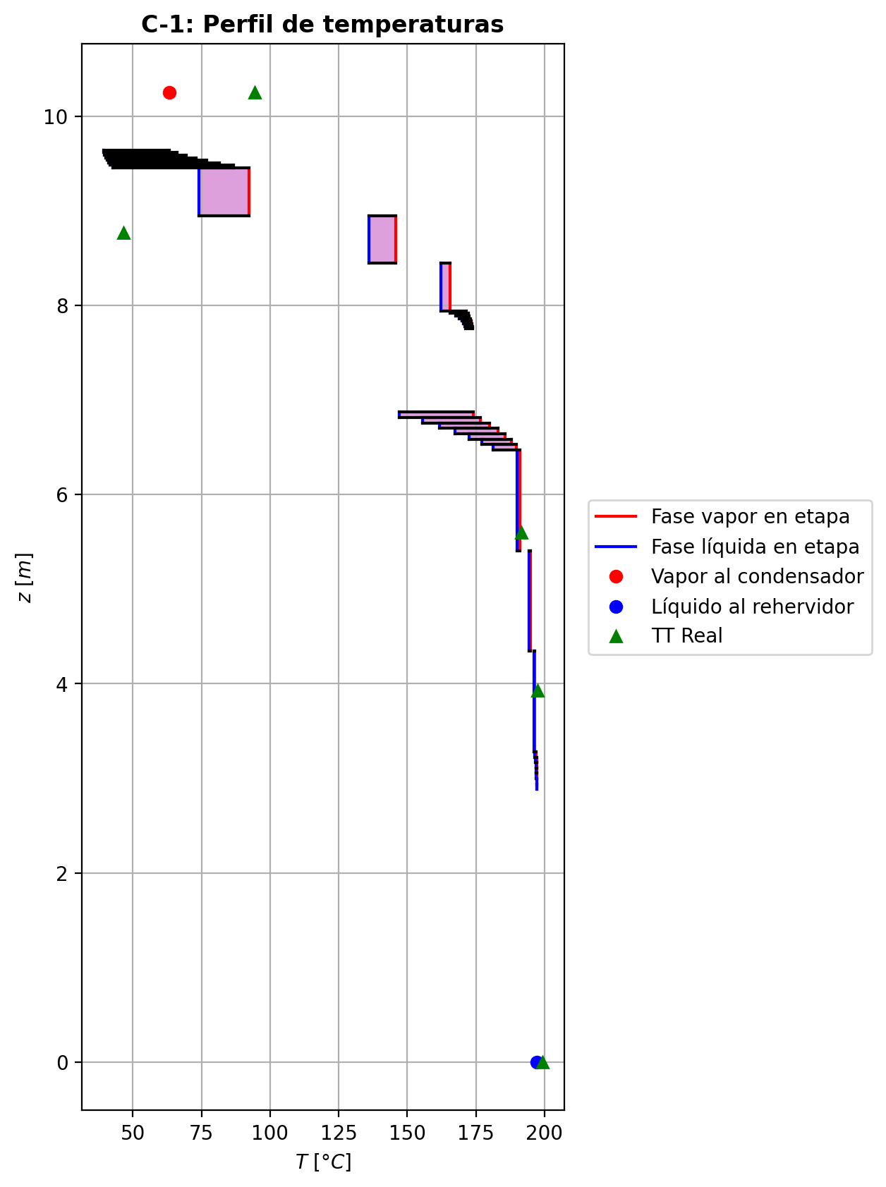
Agotamiento | 23 | 6.6426 | 6.5856 | - | - | 28.6444028 | 66.7642217 | 28.6444028 | 66.7642217 | 3.68798016 | - | - | 0.260620413 | 0.260620413 | 0.439747861 | 0.0844891531 | 0.0931000535 | 0.0931000535 | 4.9228193602 | 0.77763084521 | -1.27016445 | 1.55673926 | 0.28657481 | -1.3448516953 | 0.98127225086 | 0.074687245338 | -1.2968445801 | 1.1226222978 | 0.026680130143 | - | - | 185.634738 | 185.634738 | 173.35628 | 172.612491 | 172.612491 | 65.83922964 | 10438.88598 | -316429.803 | 2981.37859 | -319411.181 | 28634.6814 | -345064.484 | - | - | -186371.14 | -255080.038 | - | - | 14.6955532 |  |  |  |  |  |  |  |  | 0.421424968 | 46.7782151 | 0.42142497657 | 46.778215495 | 0.01236236832 | 7.570582956E-05 | 0.012362367969 | 7.5705825485E-05 | 46.679708823 | 83.228117515 | 0.13632758322 | 1.887093739 | 0.057615145552 | 0.47172277252 | 512852.24554 | 427.37089438 | 8.9739899993 | 0.622737443 | 7.43170652 | 0.6227374395 | 7.4317071665 | 617.72434254 | 177.48601342 | 617.72484975 | 177.48614921 | 0.0014650213286 | 0.0014650236282 | 5.6924560845E-05 | 5.694409715E-05 | 4.922823253 | 0.77763141187 | 65.839283015 | 10438.89395 | 406.8167364 | 404.85353112 | -189858.25058 | -255111.45429 | 1.1254276527 | -40137.894099 | -237916.20566 | -64844.710799 | -274609.11628 | -319391.77176 | -345131.34604 | 8.7544359827E-06 | -1.2806788095 | 0.30731178277 | -323444.8301 | 0.43933624829 | 0.08438613831 | 173.38473308
Agotamiento | 24 | 6.5856 | 6.5286 | - | - | 28.9309776 | 67.0334906 | 28.9309776 | 67.0334906 | 3.69868225 | - | - | 0.214135579 | 0.214135579 | 0.3706656 | 0.0681256689 | 0.0757438049 | 0.0757438049 | 5.0076183425 | 0.79295497076 | -1.13838097 | 1.40764982 | 0.26926885 | -1.1960410111 | 0.98268501022 | 0.057660041101 | -1.1587764172 | 1.104819435 | 0.02039544724 | - | - | 187.850551 | 187.850551 | 177.922825 | 177.272598 | 177.272598 | 66.24535356 | 10717.016508 | -286793.083 | 2432.49661 | -289225.579 | 25774.2337 | -312567.317 | - | - | -195462.452 | -258333.755 | - | - | 14.6956 |  |  |  |  |  |  |  |  | 0.41981297 | 46.9422684 | 0.4198129766 | 46.942268781 | 0.0124865073 | 7.775863164E-05 | 0.012486506986 | 7.7758627874E-05 | 47.083859064 | 82.78015532 | 0.13513359278 | 1.9599343149 | 0.05783425983 | 0.47300891901 | 510816.64073 | 433.30399303 | 8.978694601 | 0.61967021 | 7.22299648 | 0.61967020593 | 7.2229970483 | 623.14272394 | 177.88675544 | 623.14323546 | 177.88689218 | 0.0014789747433 | 0.0014789770697 | 5.6984261456E-05 | 5.7003818527E-05 | 5.0076223247 | 0.79295555909 | 66.245407528 | 10717.024853 | 407.99727131 | 406.04800972 | -198962.963 | -258365.06109 | 1.1074759948 | -39981.461892 | -237828.55335 | -64470.615683 | -274221.05149 | -289265.18494 | -312615.09175 | 8.9579608192E-06 | -1.1466575739 | 0.28860894423 | -293087.10299 | 0.37029841959 | 0.06804326229 | 177.94605392
Agotamiento | 25 | 6.5286 | 6.4716 | - | - | 29.2002464 | 67.2747091 | 29.2002464 | 67.2747091 | 3.70983288 | - | - | 0.173175615 | 0.173175615 | 0.305820736 | 0.0542083655 | 0.0607640044 | 0.0607640044 | 5.0850067026 | 0.80499828941 | -0.989490909 | 1.23070942 | 0.241218511 | -1.031264073 | 0.9847237561 | 0.041773163992 | -1.0041483117 | 1.0886976912 | 0.014657402664 | - | - | 189.677107 | 189.677107 | 181.871306 | 181.321253 | 181.321253 | 66.69752004 | 10970.490276 | -251200.139 | 1931.44121 | -253131.581 | 22386.4557 | -273586.595 | - | - | -203481.601 | -261141.426 | - | - | 14.6956469 |  |  |  |  |  |  |  |  | 0.418522024 | 47.1114242 | 0.41852203056 | 47.111424639 | 0.012589301376 | 7.947288792E-05 | 0.012589301042 | 7.9472884089E-05 | 47.578729417 | 82.387774095 | 0.13401804616 | 2.0294161468 | 0.058001869335 | 0.47471822333 | 508561.25186 | 438.68585708 | 8.9786497823 | 0.616895455 | 7.06145994 | 0.61689545099 | 7.0614604673 | 628.54570758 | 178.03031677 | 628.54622225 | 178.03045412 | 0.0014920977828 | 0.0014921001284 | 5.6983692719E-05 | 5.700324944E-05 | 5.0850107359 | 0.80499889417 | 66.69757402 | 10970.498888 | 409.22728414 | 407.28969279 | -206992.92108 | -261172.61987 | 1.0913020481 | -39820.613332 | -237759.8504 | -64129.303094 | -273887.15343 | -253211.1527 | -273620.13734 | 9.1426327231E-06 | -0.99540952436 | 0.25739950927 | -256311.83678 | 0.30552562467 | 0.054147732085 | 181.88861467
Agotamiento | 26 | 6.4716 | 5.4076 | - | - | 29.441465 | 67.7288205 | 29.441465 | 67.7288205 | 69.6828172 | - | - | 0.138148008 | 0.138148008 | 0.153958526 | 0.0255276868 | 0.0263388448 | 0.0263388448 | 5.1528562612 | 0.82162299309 | -2.30398182 | 2.75809327 | 0.45411145 | -2.3667164122 | 0.99848550964 | 0.062734592227 | -2.315942591 | 1.0463384205 | 0.011960771003 | - | - | 191.143189 | 191.143189 | 190.097403 | 190.037793 | 190.037793 | 67.17225672 | 11567.858652 | -559312.682 | 4895.0632 | -564207.745 | 48050.8459 | -607363.528 | - | - | -210346.633 | -267648.632 | - | - | 14.6956939 |  |  |  |  |  |  |  |  | 0.417527061 | 47.6597628 | 0.41752706901 | 47.659763195 | 0.012672107748 | 8.277032772E-05 | 0.012672107385 | 8.2770323976E-05 | 48.152829751 | 81.420821864 | 0.13301741442 | 2.2197372914 | 0.058125848673 | 0.48246298718 | 503452.05024 | 443.3637897 | 8.9352575084 | 0.61445022 | 6.79864116 | 0.6144502159 | 6.7986416248 | 633.60864034 | 176.68785835 | 633.60916219 | 176.68799512 | 0.0015129316984 | 0.0015129340723 | 5.6434238798E-05 | 5.6453606972E-05 | 5.1528603497 | 0.82162361597 | 67.172311666 | 11567.867792 | 411.78371135 | 409.8344496 | -213866.33211 | -267679.46686 | 1.0468618294 | -39656.250388 | -237706.94218 | -63397.153645 | -273173.90969 | -564250.63752 | -607373.23241 | 0.00017339814664 | -2.2957085778 | 0.45555838928 | -558084.89649 | 0.15395555805 | 0.025527132837 | 190.09755886
Agotamiento | 27 | 5.4076 | 4.3436 | - | - | 29.8955764 | 68.0011826 | 29.8955764 | 68.0011826 | 70.0674077 | - | - | 0.0589819006 | 0.0589819006 | 0.0658262259 | 0.0106201602 | 0.0109853216 | 0.0109853216 | 5.2973349213 | 0.8303559678 | -1.03688403 | 1.30924612 | 0.27236209 | -1.0529484637 | 0.99911559834 | 0.01606443372 | -1.0398760152 | 1.0210025993 | 0.0029919851503 | - | - | 194.802621 | 194.802621 | 194.347545 | 194.319273 | 194.319273 | 68.33469276 | 11897.721216 | -268282.063 | 2178.92147 | -270460.984 | 23568.8491 | -291850.912 | - | - | -225860.362 | -270521.887 | - | - | 14.696571 |  |  |  |  |  |  |  |  | 0.414846329 | 47.9390572 | 0.4148463371 | 47.939057525 | 0.012879322704 | 8.435790252E-05 | 0.012879322343 | 8.4357899184E-05 | 50.136577123 | 81.025892701 | 0.1308421837 | 2.3214981027 | 0.058433084287 | 0.48589001812 | 499420.12991 | 453.1115287 | 8.9189230048 | 0.609031754 | 6.67332908 | 0.60903175013 | 6.6733294929 | 642.78921693 | 176.29521586 | 642.78974462 | 176.2953528 | 0.0015297643332 | 0.0015297667354 | 5.6228092923E-05 | 5.6247390472E-05 | 5.2973391153 | 0.83035660069 | 68.334748938 | 11897.730645 | 414.05641085 | 412.14167331 | -229403.01672 | -270552.54379 | 1.0212829827 | -39110.005355 | -237565.65391 | -63019.724166 | -272826.68394 | -270479.37066 | -291853.13182 | 0.00017958233254 | -1.0327962109 | 0.27246413503 | -267523.74729 | 0.06582531012 | 0.010620005779 | 194.34759299
Agotamiento | 28 | 4.3436 | 3.2796 | - | - | 30.1679385 | 68.1135053 | 30.1679385 | 68.1135053 | 70.2682328 | - | - | 0.0240790035 | 0.0240790035 | 0.0269326086 | 0.00430644556 | 0.00446262921 | 0.00446262921 | 5.3738217314 | 0.83336086917 | -0.443049543 | 0.555372243 | 0.1123227 | -0.44575416169 | 0.99964061292 | 0.0027046186864 | -0.44355079756 | 1.0088461661 | 0.00050125456197 | - | - | 196.33508 | 196.33508 | 196.125003 | 196.113333 | 196.113333 | 69.282108 | 12045.091932 | -113709.633 | 1022.72341 | -114732.356 | 9877.54264 | -123587.175 | - | - | -232714.203 | -271745.196 | - | - | 14.697449 |  |  |  |  |  |  |  |  | 0.413823696 | 48.0718364 | 0.41382370396 | 48.071836803 | 0.012966145848 | 8.49916476E-05 | 0.012966145493 | 8.4991643976E-05 | 51.644722003 | 80.856584193 | 0.12983656438 | 2.3688563264 | 0.058548043329 | 0.48760113433 | 497640.74727 | 458.36949942 | 8.9089794055 | 0.606480858 | 6.62617139 | 0.60648085316 | 6.6261718339 | 648.61075254 | 176.02950513 | 648.6112841 | 176.02964164 | 0.0015366036254 | 0.0015366060315 | 5.6102786914E-05 | 5.6122041317E-05 | 5.3738260096 | 0.83336149865 | 69.282165435 | 12045.101447 | 415.2431669 | 413.34261958 | -236265.82467 | -271775.77028 | 1.0089787943 | -38741.026344 | -237500.12484 | -62864.514588 | -272681.5319 | -114736.78303 | -123587.65954 | 0.00018294552811 | -0.44114830352 | 0.11218823583 | -113308.97873 | 0.026932455532 | 0.0043064207151 | 196.12501602
Agotamiento | 29 | 3.2796 | 3.2226 | - | - | 30.2802612 | 68.1439226 | 30.2802612 | 68.1439226 | 3.76760306 | - | - | 0.00935805553 | 0.00935805553 | 0.0181465738 | 0.00289666594 | 0.00338088253 | 0.00338088253 | 5.406036953 | 0.83444631265 | -0.0735787221 | 0.103996006 | 0.0304172839 | -0.073863368732 | 0.99819372931 | 0.00028464663181 | -0.073681559364 | 1.0064645258 | 0.00010283726375 | - | - | 197.011361 | 197.011361 | 196.521249 | 196.477199 | 196.477199 | 69.75125568 | 12074.666472 | -21727.6197 | 128.799107 | -21856.4188 | 2003.93272 | -23731.5525 | - | - | -235606.204 | -271942.746 | - | - | 14.698328 |  |  |  |  |  |  |  |  | 0.413384761 | 48.0902606 | 0.41338476976 | 48.090260971 | 0.013004118 | 8.513537616E-05 | 0.013004117609 | 8.5135372163E-05 | 52.459532924 | 80.83471583 | 0.12941988132 | 2.376827438 | 0.058598965619 | 0.48773497359 | 497149.72165 | 460.56463382 | 8.9095431687 | 0.60539075 | 6.61387442 | 0.60539074511 | 6.6138748701 | 650.98403442 | 176.07020156 | 650.98456838 | 176.0703377 | 0.001538996567 | 0.0015389989776 | 5.6109887475E-05 | 5.6129144384E-05 | 5.4060412323 | 0.83444694097 | 69.751313458 | 12074.67599 | 415.59984448 | 413.70707435 | -239161.80936 | -271973.31095 | 1.0068440219 | -38546.024478 | -237467.72505 | -62830.157354 | -272652.13035 | -21859.527736 | -23731.769896 | 9.8781058854E-06 | -0.07334776427 | 0.030520065322 | -21709.818737 | 0.018143394153 | 0.0028961557739 | 196.52139683
Agotamiento | 30 | 3.2226 | 3.1656 | - | - | 30.3106785 | 68.1577448 | 30.3106785 | 68.1577448 | 3.76887008 | - | - | 0.00692117948 | 0.00692117948 | 0.0136507439 | 0.00217720959 | 0.00254965713 | 0.00254965713 | 5.4131542317 | 0.8347217454 | -0.0566077178 | 0.0704299414 | 0.0138222236 | -0.05670338389 | 0.99918050695 | 9.5666090348E-05 | -0.056642959731 | 1.004859543 | 3.5241930954E-05 | - | - | 197.095029 | 197.095029 | 196.721721 | 196.695359 | 196.695359 | 69.86834064 | 12093.52392 | -14444.2948 | 98.3012147 | -14542.596 | 1201.57129 | -15645.8661 | - | - | -236086.6 | -272099.522 | - | - | 14.6983751 |  |  |  |  |  |  |  |  | 0.413348629 | 48.1085838 | 0.4133486371 | 48.108584144 | 0.013008874068 | 8.520836508E-05 | 0.013008873718 | 8.5208361407E-05 | 52.623749907 | 80.812217974 | 0.12934082049 | 2.3831377259 | 0.058603369615 | 0.48798920447 | 496944.96874 | 461.06758329 | 8.9079562893 | 0.60518715 | 6.60883503 | 0.60518714483 | 6.608835443 | 651.67582986 | 176.02216644 | 651.67636532 | 176.0223031 | 0.0015397386486 | 0.0015397410658 | 5.6089901731E-05 | 5.6109151832E-05 | 5.4131585227 | 0.83472238132 | 69.868398514 | 12093.533476 | 415.73960796 | 413.84723691 | -239642.52722 | -272130.07452 | 1.0051868031 | -38509.955294 | -237463.59423 | -62811.902487 | -272634.4977 | -14544.586344 | -15645.993246 | 9.8953767708E-06 | -0.056388597359 | 0.01385609579 | -14411.192598 | 0.013649900808 | 0.002177074665 | 196.72176457
Agotamiento | 31 | 3.1656 | 3.1086 | - | - | 30.3245007 | 68.1673024 | 30.3245007 | 68.1673024 | 3.76966815 | - | - | 0.00505129273 | 0.00505129273 | 0.010204508 | 0.00162656077 | 0.00191233252 | 0.00191233252 | 5.4169015952 | 0.83486772935 | -0.0434203316 | 0.0529778831 | 0.0095575515 | -0.04346860959 | 0.99943383317 | 4.8277990409E-05 | -0.043438608817 | 1.0036482771 | 1.8277216545E-05 | - | - | 197.158352 | 197.158352 | 196.874978 | 196.855637 | 196.855637 | 69.93790488 | 12107.609316 | -10833.3483 | 74.7096824 | -10908.058 | 882.739465 | -11716.0877 | - | - | -236455.314 | -272220.294 | - | - | 14.6984222 |  |  |  |  |  |  |  |  | 0.413322788 | 48.1231753 | 0.41332279609 | 48.123175705 | 0.013012464096 | 8.525994696E-05 | 0.013012463746 | 8.5259943231E-05 | 52.753738315 | 80.794322656 | 0.12927982814 | 2.3880234419 | 0.058606607788 | 0.4882022152 | 496807.00945 | 461.30667734 | 8.9065040462 | 0.60502958 | 6.60548607 | 0.60502957514 | 6.6054865017 | 652.0036411 | 175.97616839 | 652.00417663 | 175.97630508 | 0.001540184732 | 0.0015401871485 | 5.6071614817E-05 | 5.6090858639E-05 | 5.4169058937 | 0.83486836144 | 69.937963102 | 12107.618884 | 415.82764211 | 413.93573716 | -240011.47444 | -272250.83799 | 1.0039051095 | -38481.546567 | -237460.4144 | -62798.848903 | -272621.54542 | -10909.268563 | -11716.16552 | 9.9035109357E-06 | -0.043243584566 | 0.0095708512383 | -10802.894414 | 0.010204100699 | 0.001626495697 | 196.8750016
Agotamiento | 32 | 3.1086 | 3.0516 | - | - | 30.3340582 | 68.1745272 | 30.3340582 | 68.1745272 | 3.77026185 | - | - | 0.00361829595 | 0.00361829595 | 0.00756314959 | 0.00120498993 | 0.0014240523 | 0.0014240523 | 5.4195748717 | 0.83497027223 | -0.0332744574 | 0.0404993094 | 0.007224852 | -0.033300599053 | 0.99957229631 | 2.6141652731E-05 | -0.033284745967 | 1.002717971 | 1.0288567108E-05 | - | - | 197.206127 | 197.206127 | 196.992216 | 196.977524 | 196.977524 | 69.98989176 | 12118.392288 | -8279.99644 | 56.4469391 | -8336.44338 | 671.27177 | -8951.26821 | - | - | -236737.947 | -272312.898 | - | - | 14.6984693 |  |  |  |  |  |  |  |  | 0.413304569 | 48.1344639 | 0.41330457638 | 48.134464308 | 0.013015162728 | 8.529882696E-05 | 0.013015162379 | 8.5298823349E-05 | 52.855929439 | 80.780530608 | 0.12923281414 | 2.3917877053 | 0.058608973519 | 0.48836827046 | 496703.4271 | 461.47241149 | 8.9053590188 | 0.60490782 | 6.60299575 | 0.60490781559 | 6.6029961879 | 652.23390831 | 175.93967412 | 652.23444362 | 175.93981036 | 0.0015405122486 | 0.0015405146601 | 5.6057198574E-05 | 5.6076437392E-05 | 5.4195791668 | 0.83497090311 | 69.989949662 | 12118.401825 | 415.89313246 | 414.00160206 | -240294.27587 | -272343.4351 | 1.0029165165 | -38459.3187 | -237457.98322 | -62788.979538 | -272611.69735 | -8337.1713703 | -8951.3162523 | 9.9091467916E-06 | -0.033135224388 | 0.0072286791198 | -8254.1870906 | 0.0075629178227 | 0.0012049529388 | 196.99223229
Agotamiento | 33 | 3.0516 | 2.9946 | - | - | 30.3412831 | 68.1800731 | 30.3412831 | 68.1800731 | 3.77071542 | - | - | 0.00252076169 | 0.00252076169 | 0.00553977095 | 0.000882317636 | 0.00105014109 | 0.00105014109 | 5.4215921321 | 0.83504676563 | -0.0254853958 | 0.0310312938 | 0.005545898 | -0.025499375687 | 0.99967185335 | 1.3979887215E-05 | -0.025491219775 | 1.0020027497 | 5.8239753707E-06 | - | - | 197.242024 | 197.242024 | 197.08191 | 197.070689 | 197.070689 | 70.03019628 | 12126.670776 | -6346.14499 | 42.2803587 | -6388.42534 | 513.075027 | -6859.22001 | - | - | -236954.47 | -272383.827 | - | - | 14.6985165 |  |  |  |  |  |  |  |  | 0.413292038 | 48.143149 | 0.4132920468 | 48.143149476 | 0.013017180168 | 8.53284438E-05 | 0.013017179788 | 8.5328439699E-05 | 52.935913484 | 80.769954593 | 0.12919656072 | 2.3946819556 | 0.058610682431 | 0.48849623467 | 496624.32454 | 461.59631757 | 8.904476773 | 0.604813752 | 6.60110744 | 0.6048137473 | 6.6011078968 | 652.40937993 | 175.91149033 | 652.40991412 | 175.91162619 | 0.0015407618023 | 0.0015407642106 | 5.6046092159E-05 | 5.606532706E-05 | 5.4215964164 | 0.83504739262 | 70.030254585 | 12126.680298 | 415.94316523 | 414.05192291 | -240510.91855 | -272414.35843 | 1.0021555545 | -38442.006731 | -237456.13781 | -62781.451493 | -272604.17103 | -6388.8614201 | -6859.2499821 | 9.9133714831E-06 | -0.025376640229 | 0.0055462768314 | -6325.222567 | 0.0055396348751 | 0.00088229593546 | 197.08192209
Agotamiento | 34 | 2.9946 | 2.9376 | - | - | 30.346829 | 68.1843507 | 30.346829 | 68.1843507 | 3.77106315 | - | - | 0.00168049681 | 0.00168049681 | 0.00399047426 | 0.000635399574 | 0.000763911178 | 0.000763911178 | 5.423125773 | 0.83510479566 | -0.0195119093 | 0.0237894447 | 0.0042775354 | -0.019519097685 | 0.99974700384 | 7.1883845944E-06 | -0.019515176957 | 1.0014533341 | 3.2676571064E-06 | - | - | 197.268808 | 197.268808 | 197.150536 | 197.141958 | 197.141958 | 70.06158972 | 12133.02672 | -4867.59258 | 31.2482674 | -4898.84084 | 392.479664 | -5260.07224 | - | - | -237120.287 | -272438.128 | - | - | 14.6985636 |  |  |  |  |  |  |  |  | 0.413283821 | 48.149818 | 0.41328382981 | 48.149818462 | 0.013018674996 | 8.535105432E-05 | 0.013018674621 | 8.5351050605E-05 | 52.998364544 | 80.76185497 | 0.12916856205 | 2.3969042827 | 0.05861188987 | 0.48859453632 | 496563.75102 | 461.6898692 | 8.9038020463 | 0.604741009 | 6.59966923 | 0.60474100447 | 6.599669676 | 652.5451591 | 175.88988437 | 652.5456953 | 175.89002047 | 0.0015409537637 | 0.0015409561789 | 5.6037598778E-05 | 5.6056830808E-05 | 5.4231300568 | 0.83510542169 | 70.061647954 | 12133.036286 | 415.98152292 | 414.09050076 | -240676.81765 | -272468.65503 | 1.0015707231 | -38428.566636 | -237454.75046 | -62775.699286 | -272598.41422 | -4899.1019482 | -5260.0911498 | 9.9165746403E-06 | -0.019427416638 | 0.0042765165297 | -4850.9401446 | 0.003990393543 | 0.00063538670939 | 197.15054583
Agotamiento | 35 | 2.9376 | 2.8806 | 30.351202 | - | 30.3511065 | 68.1876648 | 30.3511065 | 68.1876648 | 3.77132986 | 0.000544977931 | - | 0.00103738692 | 0.00103738692 | 0.00280457706 | 0.000446484507 | 0.00054485939 | 0.00054485939 | 5.4242912846 | 0.83514928897 | -0.0149340984 | 0.0182482544 | 0.003314156 | -0.014937536462 | 0.99980404953 | 3.4380620852E-06 | -0.014935904149 | 1.0010318006 | 1.8057490165E-06 | 197.302852 | - | 197.28856 | 197.28856 | 197.20305 | 197.19649 | 197.19649 | 70.08608412 | 12137.906556 | -3736.61697 | 22.6016543 | -3759.21863 | 300.302974 | -4036.91994 | -237344.50155 | - | -237247.245 | -272479.685 | 14.6986579 | - | 14.6986107 |  |  |  |  |  |  |  |  | 0.413278949 | 48.1549326 | 0.41327895545 | 48.154933048 | 0.013019766372 | 8.536833432E-05 | 0.013019766092 | 8.5368330499E-05 | 53.047104931 | 80.755655863 | 0.12914687466 | 2.3986089726 | 0.05861270791 | 0.4886699237 | 496517.32947 | 461.76039223 | 8.9032890875 | 0.604684626 | 6.59857152 | 0.6046846214 | 6.5985719497 | 652.6509755 | 175.87340326 | 652.65150908 | 175.87353951 | 0.0015411024031 | 0.0015411048186 | 5.6031142057E-05 | 5.605037199E-05 | 5.4242956004 | 0.83514992009 | 70.086141954 | 12137.916113 | 416.01094338 | 414.120088 | -240803.8285 | -272510.20945 | 1.0011217912 | -38418.153101 | -237453.722 | -62771.300912 | -272594.00974 | -3759.3754486 | -4036.9320531 | 9.9190040413E-06 | -0.01486871282 | 0.003312976346 | -3723.5843969 | 0.0028045286997 | 0.0004464768025 | 197.20305835

Exportar_resultados_ACM




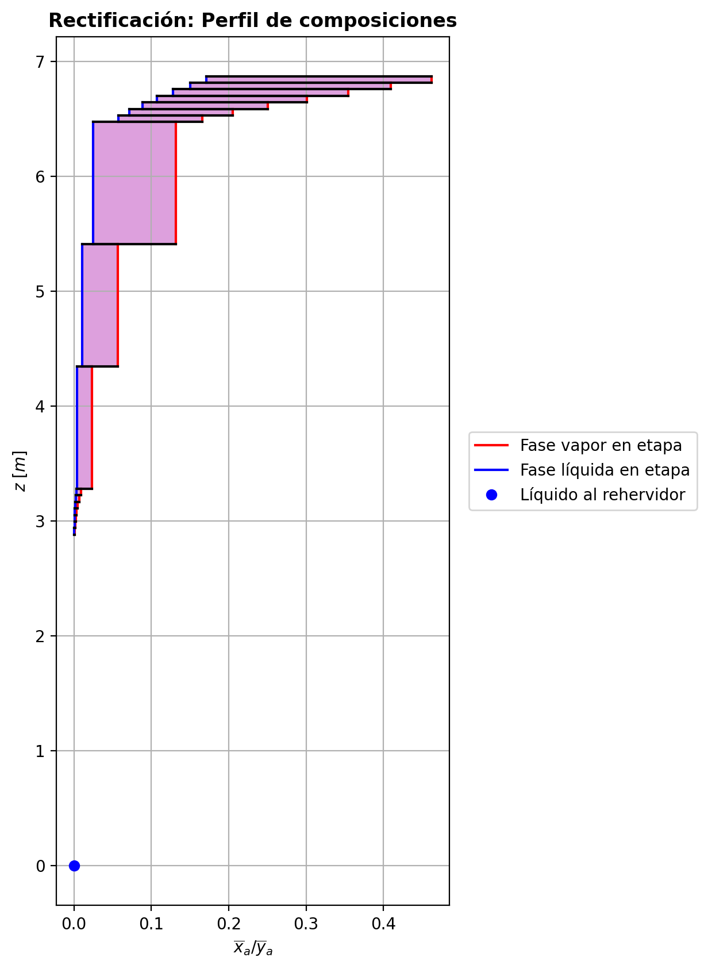
$${\left[N_{t}=N_{a}+N_{w} \right]}_{2}$$
$${\left[N_{t}=N_{a}+N_{w} \right]}_{ps1+ps2−3}$$
$$F_{fría}^{l}+F_{caliente}^{l}=P_{fría}^{l}+P_{caliente}^{l}$$
$${\left[J_{a}^{g}=Γ^{g,b}ρ^{g,b}k_{bm}^{g}a_{ef}A_{tr}Z\left(y_{a}^{b}−y_{a}^{I}\right)\right]}_{2}$$
$${\left(N_{t}\right)}_{2}=V_{3}−V_{2}=L_{2}−{\left(L_{1}−P^{l}\right)}_{E−3}$$
$${\left[J_{a}^{g}=Γ^{g,b}ρ^{g,b}k_{bm}^{g}a_{ef}A_{tr}Z\left(y_{a}^{b}−y_{a}^{I}\right)\right]}_{s}$$
$${\left[N_{t}=N_{a}+N_{w} \right]}_{s}$$
$${\left[J_{a}^{g}=Γ^{g,b}ρ^{g,b}k_{bm}^{g}a_{ef}A_{tr}Z\left(y_{a}^{b}−y_{a}^{I}\right)\right]}_{ps1+ps2−3}$$
Caso | 33 |  |  | Economizador E-1 |  |  |  |  |  |  |  |  | Condensador E-3 (s=1) |  |  |  |  |  |  |  |  | s=2 |  |  |  |  |  |  |  |  |  |  |  |  |  |  | s={3,…,ps1+ps2-4} |  |  |  |  |  |  |  |  |  |  |  |  |  |  |  | s=ps1+ps2-3 |  |  |  |  |  |  |  |  |  |  |  |  |  |  | Rehervidor E-2 (s=ps1+ps2-2)
ps1 | 19 |  | Representación y balances |  |  |  |  |  |  |  |  |  |  |  |  |  |  |  |  |  |  | Atr [m2] | 0.159043 |  |  |  |  |  |  |  |  |  |  |  |  |  | s |  | Atr [m2] | 0.159043 |  |  |  |  |  |  |  |  |  |  |  |  | Atr [m2] | 0.159043
ps2 | 19 |  |  | Pl [kmol/h]= | 37.824667653 | Fl [kmol/h]= | 48.062545973 | Balance de Masa Total [kmol/h] |  |  |  |  | V2 [kmol/h]= | 36.827508352 | Pl Fría [kmol/h]= | 6421.2659316 | Balance de Masa Total [kmol/h] |  |  |  |  |  | V2 [kmol/h]= | 36.827508352 |  |  | L1-Pl en E-3 [kmol/h]= | 26.589630031 |  | Balance de Masa Total [kmol/h] |  |  |  |  |  |  |  |  | Vs [kmol/h]= | #VALUE! |  |  | Ls-1 [kmol/h]= | #VALUE! |  | Balance de Masa Total [kmol/h] |  |  |  |  |  |  |  |  | Vps1+ps2-3 [kmol/h]= | 29.928911548 |  |  | Lps1+ps2-4 [kmol/h]= | 67.753579201 |  | Balance de Masa Total [kmol/h] |  |  |  |  |  | Lps1+ps2-3 [kmol/h]= | 67.756239818 |  |  |  |  | Balance de Masa Total [kmol/h]
$$V_{2}=L_{1}$$
$${\left[J_{a}^{l}=Γ^{l,b}ρ^{l,b}k_{bm}^{l}a_{ef}A_{tr}Z\left(x_{a}^{I}−x_{a}^{b}\right)\right]}_{2}$$
$${\left[J_{a}^{l}=Γ^{l,b}ρ^{l,b}k_{bm}^{l}a_{ef}A_{tr}Z\left(x_{a}^{I}−x_{a}^{b}\right)\right]}_{s}$$
$${\left(N_{t}\right)}_{s}=V_{s+1}−V_{s}=L_{s}−L_{s−1}−F_{s}^{l}$$
$${\left[J_{a}^{l}=Γ^{l,b}ρ^{l,b}k_{bm}^{l}a_{ef}A_{tr}Z\left(x_{a}^{I}−x_{a}^{b}\right)\right]}_{ps1+ps2−3}$$
$${\left(N_{t}\right)}_{ps1+ps2−3}=−V_{ps1+ps2−3}+F_{ps1+ps2−3}^{g}=L_{ps1+ps2−3}−L_{ps1+ps2−4}−F_{ps1+ps2−3}^{l}$$
$$L_{ps1+ps2−3}=P_{ps1+ps2−2}^{g}+P_{ps1+ps2−2}^{l}$$
flowmode1 | MIXED |  |  | T [°C]= | 60.971606111 | T [°C]= | 20 |  |  |  |  |  | T [°C]= | 63.617244244 | T [°C]= | 31.590518521 |  |  |  |  |  |  | T [°C]= | 63.617244244 |  |  | T [°C]= | 38.848488085 |  |  |  |  |  |  |  |  |  |  | T [°C]= | #VALUE! |  |  | T [°C]= | #VALUE! |  |  |  |  |  |  |  |  |  |  | T [°C]= | 197.34924625 |  |  | T [°C]= | 197.13236419 |  |  |  |  |  |  |  | T [°C]= | 197.18541038 |  |  | Pg [kmol/h]= | 29.931572165
$$F_{fría}^{l}=P_{fría}^{l}$$
$${\left[Q^{g}=k_{h}^{g}a_{ef}A_{tr}Z\left(T^{g,b}−T^{I}\right)\right]}_{2}$$
$${\left[Q^{g}=k_{h}^{g}a_{ef}A_{tr}Z\left(T^{g,b}−T^{I}\right)\right]}_{s}$$
$${\left[Q^{g}=k_{h}^{g}a_{ef}A_{tr}Z\left(T^{g,b}−T^{I}\right)\right]}_{ps1+ps2−3}$$
$${f_{v}\left(L−P^{l}\right)}_{ps1+ps2−2}=P_{ps1+ps2−2}^{g}$$
flowmode2 | MIXED |  |  | P [bar]= | 14.817092856 | P [bar]= | 18.6326 |  | 85.887213626 | = | 85.887213626 |  | P [bar]= | 14.6937395 | P [bar]= | 3.43233 |  |  |  |  |  |  | P [bar]= | 14.6937395 |  |  | P [bar]= | 14.6937395 |  |  | -0.38412856394 | = | -0.38412856394 | = | -0.38412856394 |  |  |  | P [bar]= | #VALUE! |  |  | P [bar]= | #VALUE! |  |  | #VALUE! | = |  | = | #VALUE! |  |  |  | P [bar]= | 14.694539132 |  |  | P [bar]= | 14.694529451 |  |  | 0.0026606170117 | = | 0.0026606170117 | = | 0.0026606170117 | P [bar]= | 14.694539132 |  |  | T [°C]= | 197.68251068
$${\left[Q^{l}=k_{h}^{l}a_{ef}A_{tr}Z\left(T^{I}−T^{l,b}\right)\right]}_{2}$$
$${\left[Q^{l}=k_{h}^{l}a_{ef}A_{tr}Z\left(T^{I}−T^{l,b}\right)\right]}_{s}$$
$${\left[Q^{l}=k_{h}^{l}a_{ef}A_{tr}Z\left(T^{I}−T^{l,b}\right)\right]}_{ps1+ps2−3}$$
simtype | 1 |  |  | xa molar= | 0.00053612238928 | xa molar= | 0.209146 |  |  |  |  |  | ya molar= | 0.97987202771 | xa molar= | 0 |  | 36.827508352 | = | 36.827508352 |  | z top [m]= | ya molar= | 0.97987202771 |  |  | xa molar= | 0.97987202771 |  |  |  |  |  |  |  |  |  | z top [m]= | ya molar= | #VALUE! |  |  | xa molar= | #VALUE! |  |  |  |  |  |  |  |  |  | z top [m]= | ya molar= | 0.0010190392719 |  |  | xa molar= | 0.00074944214059 |  |  |  |  |  |  |  | xa molar= | 0.00053612238928 |  |  | P [bar]= | 14.817092856 |  | 67.756239818 | = | 67.756239818
$${\left(N_{a}\right)}_{ps1+ps2−3}=−{\left(Vy_{a}\right)}_{ps1+ps2−3}+{\left(F^{g}y_{a}\right)}_{ps1+ps2−3}={\left(Lx_{a}\right)}_{ps1+ps2−3}−{\left(Lx_{a}\right)}_{ps1+ps2−4}−{\left(F^{l}x_{a}\right)}_{ps1+ps2−3}$$
pborde1 | 0.1 |  |  | h [kJ/kmol]= | -282992.13071 | h [kJ/kmol]= | -243616.70254 | Balance de Masa Amoníaco [kmol/h] |  |  |  |  | h [kJ/kmol]= | -49629.487513 | h [kJ/kmol]= | -285330.12607 |  | 6421.2659316 | = | 6421.2659316 |  | 9.6416 | h [kJ/kmol]= | -49629.487513 |  |  | h [kJ/kmol]= | -70508.163756 |  | Balance de Masa Amoníaco [kmol/h] |  |  |  |  |  |  |  | #VALUE! | h [kJ/kmol]= | #VALUE! |  |  | h [kJ/kmol]= | #VALUE! |  | Balance de Masa Amoníaco [kmol/h] |  |  |  |  |  |  |  | 2.9376 | h [kJ/kmol]= | -237247.13595 |  |  | h [kJ/kmol]= | -272441.94216 |  | Balance de Masa Amoníaco [kmol/h] |  |  |  |  |  | h [kJ/kmol]= | -272482.41698 |  |  | ya molar= | 0.00053612238928 |  | 29.931572165 | = | 29.931572165
$${\left(F^{l}x_{a,F}\right)}_{fría}+{\left(F^{l}x_{a,F}\right)}_{caliente}={\left(P^{l}x_{a,P}\right)}_{fría}+{\left(P^{l}x_{a,P}\right)}_{caliente}$$
$${\left(N_{a}\right)}_{2}={\left(Vy_{a}\right)}_{3}−{\left(Vy_{a}\right)}_{2}={\left(Lx_{a}\right)}_{2}−{\left[\left(L_{1}−P^{l}\right)x_{a}\right]}_{E−3}$$
$${\left(N_{a}\right)}_{s}={\left(Vy_{a}\right)}_{s+1}−{\left(Vy_{a}\right)}_{s}={\left(Lx_{a}\right)}_{s}−{\left(Lx_{a}\right)}_{s−1}−{\left(F^{l}x_{a}\right)}_{s}$$
nborde1 | 7 |  |  |  |  |  |  |  |  |  |  |  |  |  |  |  |  |  |  |  |  |  |  |  | TI [°C]= | 39.488980656 |  |  |  |  |  |  |  |  |  |  | NO APLICA |  |  |  | TI [°C]= | #VALUE! |  |  |  |  |  |  |  |  |  |  | NO APLICA |  |  |  | TI [°C]= | 197.19182816 |  |  |  |  |  |  |  |  |  |  |  |  |  | h [kJ/kmol]= | -237341.88746
$${\left(N_{a}\right)}_{2}={\left(J_{a}^{g}\right)}_{2}+{\left(N_{t}y_{a}^{b}\right)}_{2}={\left(J_{a}^{l}\right)}_{2}+{\left(N_{t}x_{a}^{b}\right)}_{2}$$
$${\left(N_{a}\right)}_{s}={\left(J_{a}^{g}\right)}_{s}+{\left(N_{t}y_{a}^{b}\right)}_{s}={\left(J_{a}^{l}\right)}_{s}+{\left(N_{t}x_{a}^{b}\right)}_{s}$$
$${\left(N_{a}\right)}_{ps1+ps2−3}={\left(J_{a}^{g}\right)}_{ps1+ps2−3}+{\left(N_{t}y_{a}^{b}\right)}_{ps1+ps2−3}={\left(J_{a}^{l}\right)}_{ps1+ps2−3}+{\left(N_{t}x_{a}^{b}\right)}_{ps1+ps2−3}$$
pborde2 | 0.1 |  |  |  |  |  |  |  | 10.072367891 | = | 10.072367891 |  |  |  |  |  | Balance de Masa Amoníaco [kmol/h] |  |  |  |  |  | V2b [kmol/h]= | 36.827508352 | yaI molar= | 0.99993289358 | L2b [kmol/h]= | 26.205501468 |  |  |  |  |  |  |  |  | Fl Alimentación [kmol/h]= | #VALUE! | Vsb [kmol/h]= | #VALUE! | yaI molar= | #VALUE! | Lsb [kmol/h]= | #VALUE! |  |  |  |  |  |  |  |  | Fl Alimentación [kmol/h]= | - | Vps1+ps2-3b [kmol/h]= | 29.928911548 | yaI molar= | 0.0027627423639 | Lps1+ps2-3b [kmol/h]= | 67.756239818 |  |  |  |  |  |  |  |  |  |  |  |  |  | Balance de Masa Amoníaco [kmol/h]
$${\left(Vy_{a}\right)}_{2}={\left(Lx_{a}\right)}_{1}$$
$${\left(Lx_{a}\right)}_{ps1+ps2−3}={\left(P^{g}y_{a}\right)}_{ps1+ps2−2}+{\left(P^{l}y_{a}\right)}_{ps1+ps2−2}$$
nborde2 | 7 |  |  | Q̇ [kJ/h]= |  |  |  |  |  |  |  |  | Q̇ [kJ/h]= |  |  |  |  |  |  |  |  |  | Tg,b [°C]= | 63.617244244 | xaI molar= | 0.96538570042 | Tl,b [°C]= | 39.357940855 |  |  | -0.49385279884 | = | -0.49385279884 | = | -0.49385279884 |  | T [°C]= | #VALUE! | Tg,b [°C]= | #VALUE! | xaI molar= | #VALUE! | Tl,b [°C]= | #VALUE! |  |  | #VALUE! | = |  | = | #VALUE! |  | T [°C]= | - | Tg,b [°C]= | 197.34924625 | xaI molar= | 0.00043978003238 | Tl,b [°C]= | 197.18541038 |  |  | -0.014451750249 | = | -0.014451750249 | = | -0.014451750249
$$\dot{Q}={{\left(P^{l}h_{P}\right)}_{fría}−\left(F^{l}h_{F}\right)}_{fría}$$
$${\left(F^{l}x_{a,F}\right)}_{fría}={\left(P^{l}x_{a,P}\right)}_{fría}$$
$${\left[\left(L−P^{l}\right)x_{a}\right]}_{ps1+ps2−2}={\left(P^{g}y_{a}\right)}_{ps1+ps2−2}$$
Molar RR | 2.5971816816 |  |  | 397526.42903 |  |  |  | Balance de Energía [kJ/h] |  |  |  |  | 768909.62372 |  |  |  |  |  |  |  |  |  | P [bar]= | 14.6937395 | Na [kmol/h]= | -0.49385279884 | P [bar]= | 14.6937395 |  |  | -0.49385279884 | = | -0.49385279884 | = | -0.49385279884 |  | P [bar]= | #VALUE! | P [bar]= | #VALUE! | Na [kmol/h]= | #VALUE! | P [bar]= | #VALUE! |  |  | #VALUE! | = | #VALUE! | = | #VALUE! |  | P [bar]= | - | P [bar]= | 14.694539132 | Na [kmol/h]= | -0.014451750249 | P [bar]= | 14.694539132 |  |  | -0.014451750249 | = | -0.014451750249 | = | -0.014451750249
Molar fv Reboiler | 1 |  |  |  |  |  |  |  |  |  |  |  |  |  |  |  |  | 36.086245284 | = | 36.086245284 |  |  | yab molar= | 0.97987202771 | Nw [kmol/h]= | 0.1097242349 | xab molar= | 0.9753899168 |  |  |  |  |  |  |  |  | xa molar= | #VALUE! | yab molar= | #VALUE! | Nw [kmol/h]= | #VALUE! | xab molar= | #VALUE! |  |  |  |  |  |  |  |  | xa molar= | - | yab molar= | 0.0010190392719 | Nw [kmol/h]= | 0.017112367261 | xab molar= | 0.00053612238928 |  |  |  |  |  |  |  |  |  |  |  |  |  |  | 0.03632563718 | = | 0.03632563718
$$\dot{Q}={\left(F^{l}h_{F}\right)}_{caliente}−{\left(P^{l}h_{P}\right)}_{caliente}$$
$$E_{ps1+ps2−3}=−{\left(Vh\right)}_{ps1+ps2−3}+{\left(F^{g}h\right)}_{ps1+ps2−3}={\left(Lh\right)}_{ps1+ps2−3}−{\left(Lh\right)}_{ps1+ps2−4}−{\left(F^{l}h\right)}_{ps1+ps2−3}$$
Mass xa Distillate | 0.97873291497 |  |  |  |  |  |  |  |  |  |  |  | L1 [kmol/h]= | 36.827508352 | Fl Fría [kmol/h]= | 6421.2659316 |  | 0 | = | 0 |  |  |  |  | Nt [kmol/h]= | -0.38412856394 |  |  |  | Balance de Energía [kJ/h] |  |  |  |  |  |  | h [kJ/kmol]= | #VALUE! |  |  | Nt [kmol/h]= | #VALUE! |  |  |  | Balance de Energía [kJ/h] |  |  |  |  |  |  | h [kJ/kmol]= | - |  |  | Nt [kmol/h]= | 0.0026606170117 |  |  |  | Balance de Energía [kJ/h] |  |  |  |  |  |  |  |  |  |  |  |  | 0.016046985984 | = | 0.016046985984
$$\dot{Q}=n_{tb}UA_{ext}ΔT_{ln}$$
$$E_{2}={\left(Vh\right)}_{3}−{\left(Vh\right)}_{2}={\left(Lh\right)}_{2}−{\left[\left(L_{1}−P^{l}\right)h\right]}_{E−3}$$
$$E_{s}={\left(Vh\right)}_{s+1}−{\left(Vh\right)}_{s}={\left(Lh\right)}_{s}−{\left(Lh\right)}_{s−1}−{\left(F^{l}h\right)}_{s}$$
$$E_{ps1+ps2−3}={\left(Q^{g}\right)}_{ps1+ps2−3}+{\left(ΣN_{i}{\hat{h}}_{i}^{g,b}\right)}_{ps1+ps2−3}={\left(Q^{l}\right)}_{ps1+ps2−3}+{\left(ΣN_{i}{\hat{h}}_{i}^{l,b}\right)}_{ps1+ps2−3}$$
Mass xa Bottoms | 0.0005068314595 |  |  | Fl=Pl en E-2 [kmol/h]= | 37.824667653 | Pl=Fl Alimentación [kmol/h]= | 48.062545973 |  |  |  |  |  | T [°C]= | 38.848488085 | T [°C]= | 30 |  |  |  |  |  |  |  |  | E [kJ/h]= | 704.52606774 |  |  |  |  |  |  |  |  |  |  |  |  |  |  | E [kJ/h]= | #VALUE! |  |  |  |  |  |  |  |  |  |  |  |  |  |  | E [kJ/h]= | -3467.2854206
$$E_{2}={\left(Q^{g}\right)}_{2}+{\left(ΣN_{i}{\hat{h}}_{i}^{g,b}\right)}_{2}={\left(Q^{l}\right)}_{2}+{\left(ΣN_{i}{\hat{h}}_{i}^{l,b}\right)}_{2}$$
$$E_{s}={\left(Q^{g}\right)}_{s}+{\left(ΣN_{i}{\hat{h}}_{i}^{g,b}\right)}_{s}={\left(Q^{l}\right)}_{s}+{\left(ΣN_{i}{\hat{h}}_{i}^{l,b}\right)}_{s}$$
 |  |  |  | T [°C]= | 197.18427032 | T [°C]= | 117.68383177 |  | 397526.42903 | = | 397526.42903 |  | P [bar]= | 14.6937395 | P [bar]= | 3.43233 | Balance de Energía [kJ/h] |  |  |  |  | z lower [m]= | V3 [kmol/h]= | 36.443379788 |  |  | L2 [kmol/h]= | 26.205501468 |  |  |  |  |  |  |  |  |  | z lower [m]= | Vs+1 [kmol/h]= |  |  |  | Ls [kmol/h]= | #VALUE! |  |  |  |  |  |  |  |  |  | z lower [m]= |  |  | Fg=Pg en E-2 [kmol/h]= | 29.931572165 | Lps1+ps2-3 [kmol/h]= | 67.756239818 |  |  |  |  |  |  |  |  |  |  |  |  | Q̇ [kJ/h]= | Balance de Energía [kJ/h]
$$\dot{Q}={\left(Vh\right)}_{2}−{\left(Lh\right)}_{1}$$
$${\left(Lh\right)}_{ps1+ps2−3}={\left(P^{g}h\right)}_{ps1+ps2−2}+{\left(P^{l}h\right)}_{ps1+ps2−2}−\dot{Q}$$
 |  |  |  | P [bar]= | 14.817092856 | P [bar]= | 18.6326 |  | 397526.42903 | = | 397526.42903 |  | xa molar= | 0.97987202771 | xa molar= | 0 |  |  |  |  |  | 9.6146 | T [°C]= | 66.414296207 |  |  | T [°C]= | 39.357940855 |  |  | 704.52606774 | = | 704.52606774 | = | 704.52606771 |  |  | #VALUE! | T [°C]= |  |  |  | T [°C]= | #VALUE! |  |  | #VALUE! | = |  | = | #VALUE! |  |  | 2.8806 |  |  | T [°C]= | 197.68251068 | T [°C]= | 197.18541038 |  |  | -3467.2854206 | = | -3467.2854206 | = | -3467.2854206 |  |  |  |  |  | 1051811.2954
$$n_{tb}UA_{ext}ΔT_{ln}$$
$$\dot{Q}={{\left(P^{l}h_{P}\right)}_{fría}−\left(F^{l}h_{F}\right)}_{fría}$$
$$\dot{Q}={\left(P^{g}h\right)}_{ps1+ps2−2}−{\left[\left(L−P^{l}\right)h\right]}_{ps1+ps2−2}$$
 |  |  |  | xa molar= | 0.00053612238928 | xa molar= | 0.209146 |  |  | = | 397526.42903 |  | h [kJ/kmol]= | -70508.163756 | h [kJ/kmol]= | -285449.87031 |  |  |  |  |  |  | P [bar]= | 14.693742656 |  |  | P [bar]= | 14.6937395 |  |  | 704.52606774 | = | 704.52606774 | = | 704.52606774 |  |  |  | P [bar]= |  |  |  | P [bar]= | #VALUE! |  |  | #VALUE! | = | #VALUE! | = | #VALUE! |  |  |  |  |  | P [bar]= | 14.817092856 | P [bar]= | 14.694539132 |  |  | -3467.2854206 | = | -3467.2854206 | = | -3467.2854206
 |  |  |  | h [kJ/kmol]= | -272482.41698 | h [kJ/kmol]= | -235345.67941 |  |  |  |  |  |  |  |  |  |  | 768909.62372 | = | 768909.62372 |  | Z [m]= | ya molar= | 0.9766490565 |  |  | xa molar= | 0.9753899168 |  |  |  |  |  |  |  |  |  | Z [m]= | ya molar= |  |  |  | xa molar= | #VALUE! |  |  |  |  |  |  |  |  |  | Z [m]= |  |  | ya molar= | 0.00053612238928 | xa molar= | 0.00053612238928 |  |  |  |  |  |  |  |  |  |  |  |  |  |  | -18462383.991 | = | -18462383.991
 |  |  |  |  | Caliente | Fría |  | LV-1 | % Apertura | 0.148148 |  |  | L1-Pl [kmol/h]= | 26.589630031 | Pl [kmol/h]= | 10.23787832 |  | 768909.62372 | = | 768909.62372 |  | 0.027 | h [kJ/kmol]= | -50133.27113 |  |  | h [kJ/kmol]= | -71514.810153 |  |  |  |  |  |  |  |  |  | #VALUE! | h [kJ/kmol]= |  |  |  | h [kJ/kmol]= | #VALUE! |  |  |  |  |  |  |  |  |  | 0.057 |  |  | h [kJ/kmol]= | -237341.88746 | h [kJ/kmol]= | -272482.41698 |  |  |  |  |  |  |  | Pl [kmol/h]= | 37.824667653 | Lps1+ps2-2-Pl [kmol/h]= | 29.931572165 |  |  |  | 1051811.2954 | = | 1051811.2954
 |  |  |  |  |  |  |  |  | q̇ [m3/h] | 0.6931785491 |  |  | T [°C]= | 38.848488085 | T [°C]= | 38.848488085 |  |  |  |  |  |  |  | Vapor |  |  | Líquido |  |  |  |  |  |  |  |  |  |  |  |  | Vapor |  |  | Líquido |  |  |  |  |  |  |  |  |  |  |  |  | Vapor |  |  | Líquido |  |  |  |  |  |  |  |  | T [°C]= | 197.18427032 | T [°C]= | 197.18427032
 |  |  |  |  | Factor de corrección F | 0.80448032103 |  |  |  |  |  |  | P [bar]= | 14.6937395 | P [bar]= | 14.6937395 | Relación |  |  |  |  | Transferencia de masa y calor |  |  |  |  |  |  |  |  |  |  |  |  |  |  |  | Transferencia de masa y calor |  |  |  |  |  |  |  |  |  |  |  |  |  |  |  | Transferencia de masa y calor |  |  |  |  |  |  |  |  |  |  |  |  |  | P [bar]= | 14.817092856 | P [bar]= | 14.817092856 |  |  | Relación
$$RR=\frac{L_{1}−{\left(P^{l}\right)}_{1}}{{\left(P^{l}\right)}_{1}}$$
$$f_{v}=\frac{P_{ps1+ps2−2}^{g}}{{\left(L−P^{l}\right)}_{ps1+ps2−2}}$$
 |  |  |  |  | ḣint [kJ/h·m2·K] | 9542.9587416 |  |  |  |  |  |  | xa molar= | 0.97987202771 | xa molar= | 0.97987202771 |  |  |  |  |  | Difusión |  | Convección |  | aef [m2/m3] | 517.1337702 | khg [kJ/h·m2·°C] | 95.267008585 |  |  |  |  |  |  |  |  | Difusión |  | Convección |  | aef [m2/m3] | #VALUE! | khg [kJ/h·m2·°C] | #VALUE! |  |  |  |  |  |  |  |  | Difusión |  | Convección |  | aef [m2/m3] | 413.68309495 | khg [kJ/h·m2·°C] | 69.091402077 |  |  |  |  |  |  | xa molar= | 0.00053612238928 | xa molar= | 0.00053612238928
 |  |  |  |  | ḣext [kJ/h·m2·K] | 1338.404129 |  |  |  |  |  |  | h [kJ/kmol]= | -70508.163756 | h [kJ/kmol]= | -70508.163756 |  | 2.5971816816 | = | 2.5971816816 |  | Jag [kmol/h]= | -0.11745596399 | Ntyab [kmol/h]= | -0.37639683485 | kbmg [m/h] | 4.471243388 | khl [kJ/h·m2·°C] | 3876.4661856 |  |  |  |  |  |  |  |  | Jag [kmol/h]= | #VALUE! | Ntyab [kmol/h]= | #VALUE! | kbmg [m/h] | #VALUE! | khl [kJ/h·m2·°C] | #VALUE! |  |  |  |  |  |  |  |  | Jag [kmol/h]= | -0.014454461522 | Ntyab [kmol/h]= | 2.7112732225E-06 | kbmg [m/h] | 5.3511856458 | khl [kJ/h·m2·°C] | 12060.805587 |  |  |  |  |  |  | h [kJ/kmol]= | -272482.41698 | h [kJ/kmol]= | -272482.41698
 |  |  |  |  |  |  |  |  |  |  |  |  |  |  |  |  |  |  |  |  |  | Jal [kmol/h]= | -0.11917767082 | Ntxab [kmol/h]= | -0.37467512802 | kbml [m/h] | 0.15398378015 |  |  |  |  |  |  |  |  |  |  | Jal [kmol/h]= | #VALUE! | Ntxab [kmol/h]= | #VALUE! | kbml [m/h] | #VALUE! |  |  |  |  |  |  |  |  |  |  | Jal [kmol/h]= | -0.014453176666 | Ntxab [kmol/h]= | 1.4264163493E-06 | kbml [m/h] | 0.82977321919 |  |  |  |  |  |  |  |  |  |  |  |  |  |  |  | 1 | = | 1
 |  |  |  |  |  |  |  |  |  |  |  |  |  | Factor de corrección F | 0.97760763443 |  | PV-2 | % Apertura | 0.240774 |  |  | Qg [kJ/h]= | 5104.4601735 | ΣNiĥig,b [kJ/h]= | -4399.9341057 | Γg,b | 1 |  |  |  |  |  |  |  |  |  |  | Qg [kJ/h]= | #VALUE! | ΣNiĥig,b [kJ/h]= | #VALUE! | Γg,b | #VALUE! |  |  |  |  |  |  |  |  |  |  | Qg [kJ/h]= | 40.788320473 | ΣNiĥig,b [kJ/h]= | -3508.0737411 | Γg,b | 1 |  |  |  |  |  |  |  |  | Q̇ [kJ/h] mediante la suposición de estado cuasi-estacionario del aceite térmico= |  |  |  |  | 1098528.7078
$$\dot{Q}={\overline{L}}_{t66}\left[{\overline{h}}_{t66}\left(TT−6\right)−{\overline{h}}_{t66}\left(TT−7\right)\right]$$
 |  |  |  |  |  |  |  |  |  |  |  |  |  |  |  |  |  | q̇ [m3/h] | 116.23111427 |  |  | Ql [kJ/h]= | 1128.0294755 | ΣNiĥil,b [kJ/h]= | -423.50340773 | Γl,b | 1.0004691836 |  |  |  |  |  |  |  |  |  |  | Ql [kJ/h]= | #VALUE! | ΣNiĥil,b [kJ/h]= | #VALUE! | Γl,b | #VALUE! |  |  |  |  |  |  |  |  |  |  | Ql [kJ/h]= | 290.28092826 | ΣNiĥil,b [kJ/h]= | -3757.5663489 | Γl,b | 1.0011039122
 |  |  |  |  |  |  |  |  |  |  |  |  |  |  |  |  |  |  |  |  |  |  |  |  |  |  |  |  |  |  |  |  |  |  |  |  |  |  |  |  |  |  |  |  |  |  |  |  |  |  |  |  |  |  |  |  |  |  |  |  |  |  |  |  |  |  |  | TT-6 [°C]= | 230.0281 | FIC-1 [m3/h]= | 84.1997
Economizador |  |  |  |  |  |  |  |  |  |  |  |  |  |  |  |  |  |  |  |  |  |  |  |  |  |  |  |  |  |  |  |  |  |  |  |  |  |  |  |  |  |  |  |  |  |  |  |  |  |  |  |  |  |  |  |  |  |  |  |  |  |  |  |  |  |  |  | TT-7 [°C]= | 223.4826 | FIC-1 [kmol/h]= | 289.8264014
Ubicación | Flujos |  |  |  | Masa |  |  |  | Energía |  |  |  |  |  |  |  |  | Hidráulica
Equipo | Fl Fría [kmol/h] | Pl Fría [kmol/h] | Fl Caliente [kmol/h] | Pl Caliente [kmol/h] | xa molar en Fl Fría | xa molar en Pl Fría | xa molar en Fl Caliente | xa molar en Pl Caliente | Tl en Fl Fría [°C] | Tl en Pl Fría [°C] | Tl en Fl Caliente [°C] | Tl en Pl Caliente [°C] | Q̇ [kJ/h] | hl en Fl Fría [kJ/kmol] | hl en Pl Fría [kJ/kmol] | hl en Fl Caliente [kJ/kmol] | hl en Pl Caliente [kJ/kmol] | P en Fl Fría [bar] | P en Pl Fría [bar] | P en Fl Caliente [bar] | P en Pl Caliente [bar]
Economizador E-1 | 48.062545973 | 48.062545973 | 37.824667653 | 37.824667653 | 0.209146 | 0.209146 | 0.00053612238928 | 0.00053612238928 | 20 | 117.68383177 | 197.18427032 | 60.971606111 | 397526.42903 | -243616.70254 | -235345.67941 | -272482.41698 | -282992.13071 | 18.6326 | 18.6326 | 14.817092856 | 14.817092856

Condensador y Rehervidor |  |  |  |  |  |  |  |  |  |  |  |  |  |  |  |  |  |  |  |  |  |  |  |  | Corriente fría de Condensador
Ubicación |  |  | Flujos |  |  |  | Masa |  |  |  | Energía |  |  |  |  |  |  |  |  | Hidráulica |  |  |  |  | Flujos |  | Masa |  | Energía |  |  |  | Hidráulica
Equipo | s | z [m] | V [kmol/h] | L [kmol/h] | Pg [kmol/h] | Pl [kmol/h] | ya molar en V | xa molar en L | ya molar en Pg | xa molar en Pl | Tg en V [°C] | Tl en L [°C] | Tg en Pg [°C] | Tl en Pl [°C] | Q̇ [kJ/h] | hg en V [kJ/kmol] | hl en L [kJ/kmol] | hg en Pg [kJ/kmol] | hl en Pl [kJ/kmol] | P en V [bar] | P en L [bar] | P en Pg [bar] | P en Pl [bar] |  | Fl Fría [kmol/h] | Pl Fría [kmol/h] | xa molar en Fl Fría | xa molar en Pl Fría | Tl en Fl Fría [°C] | Tl en Pl Fría [°C] | hl en Fl Fría [kJ/kmol] | hl en Pl Fría [kJ/kmol] | P en Fl Fría [bar] | P en Pl Fría [bar]
Condensador E-3 | 1 | 10.2497 | - | 36.827508352 | - | 10.23787832 | - | 0.97987202771 | - | 0.97987202771 | - | 38.848488085 | - | 38.848488085 | -768909.62372 | - | -70508.163756 | - | -70508.163756 | - | 14.6937395 | - | 14.6937395 |  | 6421.2659316 | 6421.2659316 | 0 | 0 | 30 | 31.590518521 | -285449.87031 | -285330.12607 | 3.43233 | 3.43233
Rehervidor E-2 | 36 | 0 | - | 67.756239818 | 29.931572165 | 37.824667653 | - | 0.00053612238928 | 0.00053612238928 | 0.00053612238928 | - | 197.18427032 | 197.68251068 | 197.18427032 | 1051811.2954 | - | -272482.41698 | -237341.88746 | -272482.41698 | - | 14.817092856 | 14.817092856 | 14.817092856

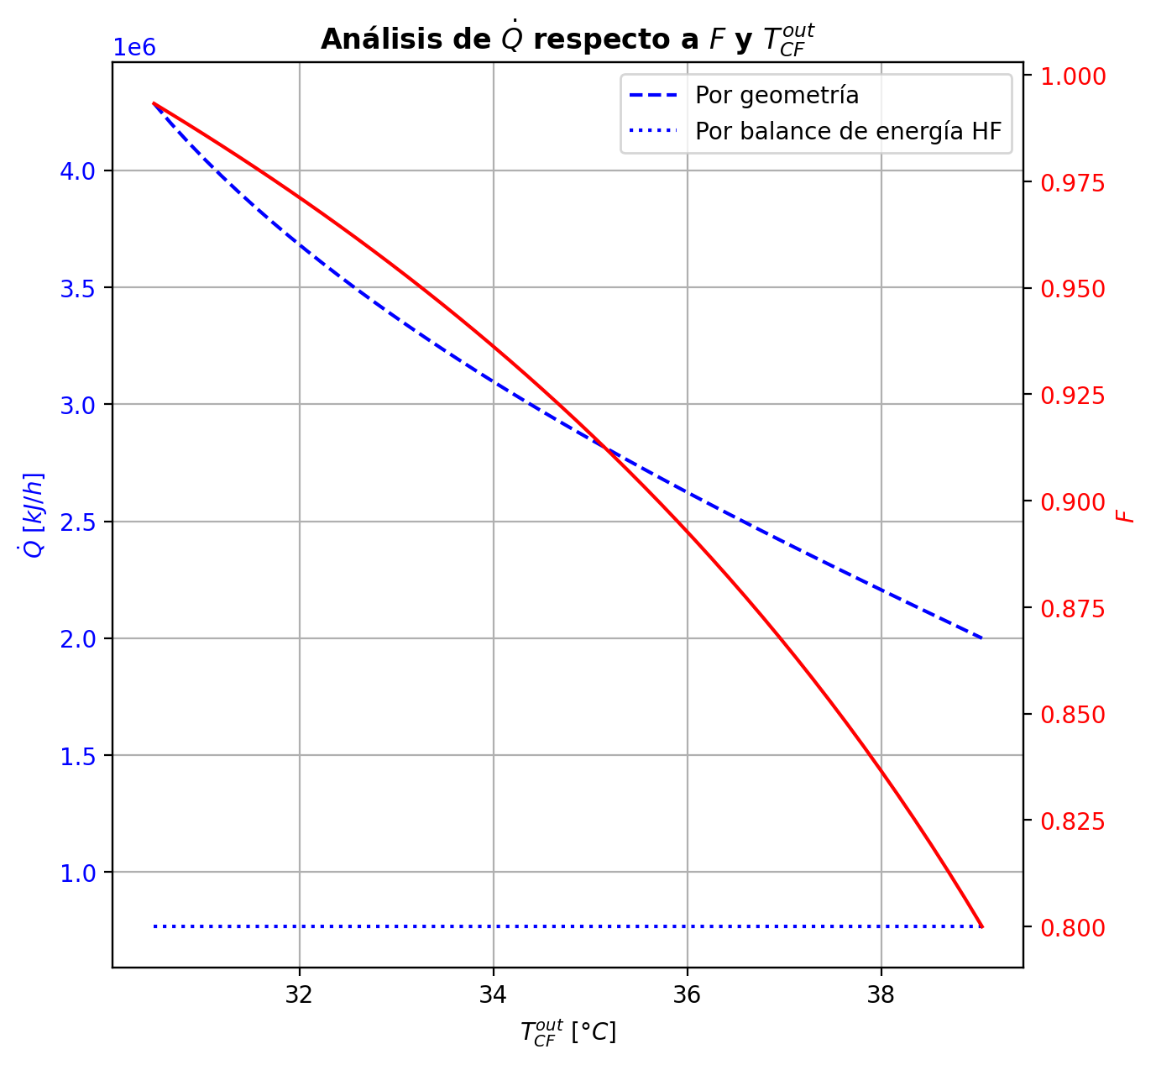
Etapas |  |  |  |  |  |  |  |  |  |  |  |  |  |  |  |  |  |  |  |  |  |  |  |  |  |  |  |  |  |  |  |  |  |  |  |  |  |  |  |  |  |  |  |  |  |  |  |  |  |  |  |  | Real | Simulación T [°C] |  | Ubicación
Ubicación de etapa |  |  |  | Flujos (cumplir balances de matería y energía ME) |  |  |  |  |  | Área R | Transferencia de masa RM |  |  |  |  |  |  |  |  |  |  |  |  |  |  |  |  |  |  | Transferencia de energía RE, cumplir equilibrio Q |  |  |  |  |  |  |  |  |  |  |  |  |  |  |  |  |  | Hidráulica H |  |  |  |  |  | g | l | Etapa | Posición [m]
Zona | s | z top [m] | z lower [m] | Fg [kmol/h] | Fl [kmol/h] | V [kmol/h] | L [kmol/h] | Vb [kmol/h] | Lb [kmol/h] | aefAtrZ [m2] | ya molar en Fg | xa molar en Fl | ya molar en V | yab molar | yaI molar | xaI molar | xab molar | xa molar en L | kbmg [m/h] | kbml [m/h] | Na [kmol/h] | Nw [kmol/h] | Nt [kmol/h] | Jag [kmol/h] | Γg,b≈1 | Ntyab [kmol/h] | Jal [kmol/h] | Γl,b | Ntxab [kmol/h] | Tg en Fg [°C] | Tl en Fl [°C] | Tg [°C] | Tg,b [°C] | TI [°C] | Tl,b [°C] | Tl [°C] | khg [kJ/h·m2·°C] | khl [kJ/h·m2·°C] | E [kJ/h] | Qg [kJ/h] | ΣNiĥig,b [kJ/h] | Ql [kJ/h] | ΣNiĥil,b [kJ/h] | hg en Fg [kJ/kmol] | hl en Fl [kJ/kmol] | hg en V [kJ/kmol] | hl en L [kJ/kmol] | P en Fg [bar] | P en Fl [bar] | P [bar] |  | TT1 [°C] | 199.1919 | - | 197.18427032 | 36 | 10.2497
Rectificación | 2 | 9.6416 | 9.6146 | - | - | 36.827508352 | 26.205501468 | 36.827508352 | 26.205501468 | 2.2206556678 | - | - | 0.97987202771 | 0.97987202771 | 0.99993289358 | 0.96538570042 | 0.9753899168 | 0.9753899168 | 4.471243388 | 0.15398378015 | -0.49385279884 | 0.1097242349 | -0.38412856394 | -0.11745596399 | 1 | -0.37639683485 | -0.11917767082 | 1.0004691836 | -0.37467512802 | - | - | 63.617244244 | 63.617244244 | 39.488980656 | 39.357940855 | 39.357940855 | 95.267008585 | 3876.4661856 | 704.52606774 | 5104.4601735 | -4399.9341057 | 1128.0294755 | -423.50340773 | - | - | -49629.487513 | -71514.810153 | - | - | 14.6937395 |  | TT2 [°C] | 197.4653 | 196.36985219 | 196.14681422 | 28 | 8.7696
Rectificación | 3 | 9.6146 | 9.5876 | - | - | 36.443379788 | 25.759323003 | 36.443379788 | 25.759323003 | 2.2216173524 | - | - | 0.9766490565 | 0.9766490565 | 0.99991759082 | 0.95840329877 | 0.97014239451 | 0.97014239451 | 4.4670649145 | 0.15038522168 | -0.57037059713 | 0.12419213256 | -0.44617846457 | -0.13461082068 | 1 | -0.43575977645 | -0.13751395313 | 1.0034361482 | -0.432856644 | - | - | 66.414296207 | 66.414296207 | 39.804611077 | 39.71325313 | 39.71325313 | 93.895344696 | 3803.6353517 | 1046.5411468 | 5550.7677341 | -4504.2265873 | 771.99496001 | 274.54618678 | - | - | -50133.27113 | -72712.893931 | - | - | 14.693742656 |  | TT3 [°C] | 191.5738 | 194.90730972 | 194.43836058 | 27 | 5.5946
Rectificación | 4 | 9.5876 | 9.5606 | - | - | 35.997201323 | 25.266080011 | 35.997201323 | 25.266080011 | 2.2224015225 | - | - | 0.97290957632 | 0.97290957632 | 0.99989871928 | 0.95022281252 | 0.9639945684 | 0.9639945684 | 4.4588354859 | 0.14630306189 | -0.63384740339 | 0.1406044116 | -0.49324299179 | -0.15396657322 | 1 | -0.47988083017 | -0.1583638384 | 1.0079758538 | -0.47548356499 | - | - | 69.526034508 | 69.526034508 | 40.180957926 | 40.085151699 | 40.085151699 | 92.368130032 | 3722.5210642 | 329.02458624 | 6023.9301124 | -5694.9055261 | 792.59883082 | -463.57424458 | - | - | -50725.590644 | -74119.36857 | - | - | 14.693745786 |  | TT4 [°C] | 46.5833 | 144.68012034 | 134.65349962 | 10 | 3.9246
Rectificación | 5 | 9.5606 | 9.5336 | - | - | 35.503958331 | 24.72686545 | 35.503958331 | 24.72686545 | 2.2231945614 | - | - | 0.96857297329 | 0.96857297329 | 0.99987515862 | 0.94063105529 | 0.95678414382 | 0.95678414382 | 4.4484877509 | 0.14182927096 | -0.69809110641 | 0.15887654561 | -0.5392145608 | -0.17582245601 | 1 | -0.5222686504 | -0.18217916452 | 1.0145412031 | -0.51591194189 | - | - | 72.986496812 | 72.986496812 | 40.632083136 | 40.519721445 | 40.519721445 | 90.72906461 | 3633.7925762 | -796.54852637 | 6526.1558183 | -7322.7043447 | 907.72828744 | -1704.2768138 | - | - | -51421.03472 | -75767.890959 | - | - | 14.693748883 |  | TT5 [°C] | 94.2881 | 63.617244244 | - | 1 | 0
Rectificación | 6 | 9.5336 | 9.5066 | - | - | 34.96474377 | 24.139964387 | 34.96474377 | 24.139964387 | 2.2232960055 | - | - | 0.96354440917 | 0.96354440917 | 0.99984549929 | 0.92944565932 | 0.94831866278 | 0.94831866278 | 4.4362701446 | 0.13745361449 | -0.76589404223 | 0.17899297883 | -0.58690106341 | -0.20038880385 | 1 | -0.56550523838 | -0.2093248106 | 1.0236865038 | -0.55656923163 | - | - | 76.834116085 | 76.834116085 | 41.172762283 | 41.035327588 | 41.035327588 | 88.985931012 | 3448.2589952 | -2204.4268371 | 7055.3158755 | -9259.7427126 | 1053.6431496 | -3258.0699867 | - | - | -52236.814163 | -77701.310655 | - | - | 14.693751943
Rectificación | 7 | 9.5066 | 9.4796 | - | - | 34.377842707 | 23.504432618 | 34.377842707 | 23.504432618 | 2.2233839886 | - | - | 0.95771539874 | 0.95771539874 | 0.99980737477 | 0.91634338575 | 0.93836536095 | 0.93836536095 | 4.4220371148 | 0.13273592746 | -0.83663334913 | 0.20110158046 | -0.63553176868 | -0.22797478788 | 1 | -0.60865856125 | -0.24027235162 | 1.0360250142 | -0.59636099751 | - | - | 81.109876099 | 81.109876099 | 41.82769616 | 41.659679513 | 41.659679513 | 87.139479577 | 3335.4797661 | -3962.7264829 | 7610.7072408 | -11573.433724 | 1246.020245 | -5208.746728 | - | - | -53192.72838 | -79970.856095 | - | - | 14.69375496 |  |  |  | Rectificación | Agotamiento |  | Simbología
Rectificación | 8 | 9.4796 | 9.4526 | - | - | 33.742310938 | 22.819356124 | 33.742310938 | 22.819356124 | 2.2234605048 | - | - | 0.95095905095 | 0.95095905095 | 0.99975738423 | 0.90099305738 | 0.9266433547 | 0.9266433547 | 4.4056975931 | 0.12769922879 | -0.91034068705 | 0.22526419268 | -0.68507649437 | -0.25886099414 | 1 | -0.65147969291 | -0.27551910608 | 1.0522102122 | -0.63482158097 | - | - | 85.858440414 | 85.858440414 | 42.626817698 | 42.419924479 | 42.419924479 | 85.192313902 | 3214.3474723 | -6091.9915814 | 8189.009426 | -14281.001007 | 1478.6605883 | -7570.6521698 | - | - | -54312.046951 | -82638.685327 | - | - | 14.693757932 |  | Transferencia de masa | Na [kmol/h] | -24.719181825 | -11.351016473 |  | l-v
Rectificación | 9 | 9.4526 | 8.9486 | - | - | 33.057234444 | 15.438187927 | 33.057234444 | 15.438187927 | 42.663588508 | - | - | 0.94312835977 | 0.94312835977 | 0.99208901365 | 0.57464027785 | 0.6038302085 | 0.6038302085 | 4.378192166 | 0.084622349019 | -11.823360476 | 4.4421922792 | -7.3811681968 | -4.8619714213 | 1 | -6.9613890547 | -7.3663881448 | 1.6471097834 | -4.4569723312 | - | - | 91.12693742 | 91.12693742 | 72.347199828 | 72.085049652 | 72.085049652 | 81.706255139 | 1927.0092752 | -490343.89137 | 65463.950133 | -555807.8415 | 21552.186681 | -511896.07805 | - | - | -55621.893314 | -153910.90539 | - | - | 14.693760852 |  |  | Nw [kmol/h] | 12.488587394 | 16.685674717 |  | v-l
Rectificación | 10 | 8.9486 | 8.4446 | - | - | 25.676066247 | 14.201404101 | 25.676066247 | 14.201404101 | 40.493360498 | - | - | 0.75377024804 | 0.75377024804 | 0.81930624371 | 0.23787262948 | 0.25364768856 | 0.25364768856 | 3.9473459554 | 0.13518991435 | -5.7198909102 | 4.4831070845 | -1.2367838258 | -4.7876400591 | 1 | -0.93225085111 | -5.4061835516 | 1.3672240453 | -0.31370735865 | - | - | 144.68012034 | 144.68012034 | 135.40247875 | 134.65349962 | 134.65349962 | 62.297167305 | 1850.2410197 | -812181.10386 | 23403.979569 | -835585.08342 | 56115.371322 | -868296.47518 | - | - | -90708.983083 | -224505.02518 | - | - | 14.693808566 |  |  | Nt [kmol/h] | -12.230594431 | 5.3346582445
Rectificación | 11 | 8.4446 | 7.9406 | - | - | 24.439282421 | 14.302041176 | 24.439282421 | 14.302041176 | 39.995226663 | - | - | 0.55787087683 | 0.55787087683 | 0.58357405684 | 0.12585958378 | 0.13091422927 | 0.13091422927 | 3.9646470993 | 0.15853298951 | -1.729812627 | 1.8304497017 | 0.10063707471 | -1.7859551201 | 1 | 0.056142493112 | -1.7429874521 | 1.1680282602 | 0.013174825072 | - | - | 165.26551742 | 165.26551742 | 162.27781413 | 161.90654471 | 161.90654471 | 58.106958139 | 2125.9768298 | -359222.04067 | 6943.4253212 | -366165.46599 | 31568.64048 | -390790.68115 | - | - | -128532.0456 | -248042.12086 | - | - | 14.693847034 |  |  | Jag [kmol/h] | -13.269392611 | -13.182043443
Rectificación | 12 | 7.9406 | 7.9136 | - | - | 24.539919496 | 14.347737292 | 24.539919496 | 14.347737292 | 2.1444662114 | - | - | 0.48509333082 | 0.48509333082 | 0.53409943538 | 0.1102557328 | 0.1192097764 | 0.1192097764 | 4.0473533027 | 0.16216462545 | -0.16195014309 | 0.20764625902 | 0.045696115928 | -0.18411702417 | 1 | 0.022166881081 | -0.16739756685 | 1.1536508012 | 0.0054474237624 | - | - | 171.39965285 | 171.39965285 | 166.37014732 | 165.45463497 | 165.45463497 | 57.844549383 | 2168.9468972 | -42301.408484 | 623.88844166 | -42925.296926 | 4258.2615511 | -46559.670035 | - | - | -142643.21462 | -250200.42962 | - | - | 14.693885189 |  |  | Ntyab [kmol/h] | -11.449789214 | 1.8310269707
Rectificación | 13 | 7.9136 | 7.8866 | - | - | 24.585615612 | 14.362660788 | 24.585615612 | 14.362660788 | 2.145744642 | - | - | 0.47760452 | 0.47760452 | 0.51218622299 | 0.10384949488 | 0.11050971503 | 0.11050971503 | 4.0610597674 | 0.16356074165 | -0.12317700367 | 0.13810049979 | 0.014923496119 | -0.13030453287 | 1 | 0.0071275292006 | -0.12482619497 | 1.1441964477 | 0.0016491913034 | - | - | 171.95214832 | 171.95214832 | 168.07999824 | 167.54638893 | 167.54638893 | 57.900757152 | 2192.7283786 | -27435.216165 | 481.07685271 | -27916.293017 | 2510.65057 | -29945.866734 | - | - | -144098.66597 | -251850.63576 | - | - | 14.69388729 |  |  | Jal [kmol/h] | -16.381807365 | -12.00910599
Rectificación | 14 | 7.8866 | 7.8596 | - | - | 24.600539108 | 14.367594606 | 24.600539108 | 14.367594606 | 2.1466461048 | - | - | 0.47230770385 | 0.47230770385 | 0.49660221143 | 0.099460470563 | 0.10425400805 | 0.10425400805 | 4.0682616512 | 0.16420603457 | -0.089334227095 | 0.09426804481 | 0.0049338177154 | -0.091664507211 | 1 | 0.0023302801164 | -0.089848597366 | 1.137719619 | 0.00051437027183 | - | - | 172.37787784 | 172.37787784 | 169.26142462 | 168.91519336 | 168.91519336 | 57.898652023 | 2207.8242382 | -18453.799244 | 387.33747628 | -18841.136721 | 1640.9344385 | -20094.733683 | - | - | -145126.47923 | -253048.55473 | - | - | 14.693889401 |  |  | Ntxab [kmol/h] | -8.3373744602 | 0.65808951777
Rectificación | 15 | 7.8596 | 7.8326 | - | - | 24.605472926 | 14.368353332 | 24.605472926 | 14.368353332 | 2.1473218655 | - | - | 0.46858233318 | 0.46858233318 | 0.48552726462 | 0.096420300077 | 0.099820448428 | 0.099820448428 | 4.0728581983 | 0.16454417745 | -0.063623850996 | 0.064382576719 | 0.00075872572275 | -0.063979376466 | 1 | 0.00035552546941 | -0.063699587338 | 1.1332188168 | 7.573634188E-05 | - | - | 172.72058742 | 172.72058742 | 170.08447996 | 169.84957729 | 169.84957729 | 57.88311306 | 2217.8955308 | -12433.719183 | 327.65148272 | -12761.370666 | 1118.7323262 | -13552.451509 | - | - | -145847.36648 | -253900.54691 | - | - | 14.693891517 |  | Transferencia de energía | E [kJ/h] | -1789863.2097 | -3486422.2565
Rectificación | 16 | 7.8326 | 7.8056 | - | - | 24.606231652 | 14.366773403 | 24.606231652 | 14.366773403 | 2.1478345125 | - | - | 0.46598220418 | 0.46598220418 | 0.47769311531 | 0.094307576049 | 0.096701290691 | 0.096701290691 | 4.0761434365 | 0.16472783354 | -0.044969941557 | 0.043390013351 | -0.0015799282061 | -0.044233723129 | 1 | -0.00073621842795 | -0.04481716046 | 1.13007763 | -0.00015278109673 | - | - | 173.01050843 | 173.01050843 | 170.65869801 | 170.49671798 | 170.49671798 | 57.864860486 | 2224.6350082 | -8222.7900214 | 292.2927455 | -8515.0827669 | 773.96455742 | -8996.7545789 | - | - | -146348.17706 | -254500.81632 | - | - | 14.693893636 |  |  | Qg [kJ/h] | 144528.80675 | 31122.884546
Rectificación | 17 | 7.8056 | 7.7786 | - | - | 24.604651723 | 14.363558796 | 24.604651723 | 14.363558796 | 2.1482248485 | - | - | 0.46418442531 | 0.46418442531 | 0.47217915935 | 0.092838757254 | 0.09451636765 | 0.09451636765 | 4.0786618896 | 0.16482058603 | -0.031694127222 | 0.028479520157 | -0.0032146070653 | -0.030201956689 | 1 | -0.0014921705332 | -0.031390294239 | 1.1278841972 | -0.00030383298324 | - | - | 173.26920622 | 173.26920622 | 171.0589857 | 170.94670222 | 170.94670222 | 57.846061092 | 2229.0384438 | -5225.5463772 | 274.65602665 | -5500.2024038 | 537.66674385 | -5763.213121 | - | - | -146691.77101 | -254921.58019 | - | - | 14.693895756 |  |  | ΣNiĥig,b [kJ/h] | -1934392.0165 | -3517545.1411
Rectificación | 18 | 7.7786 | 7.7516 | - | - | 24.601437116 | 14.3590356 | 24.601437116 | 14.3590356 | 2.1485250922 | - | - | 0.46295677521 | 0.46295677521 | 0.46831568307 | 0.091818351695 | 0.092990428244 | 0.092990428244 | 4.0807063518 | 0.1648540521 | -0.022338534323 | 0.01781533828 | -0.0045231960428 | -0.020244490069 | 1 | -0.0020940442536 | -0.021917920386 | 1.1263540564 | -0.00042061393705 | - | - | 173.51238761 | 173.51238761 | 171.3375874 | 171.25966432 | 171.25966432 | 57.826815951 | 2231.7677655 | -3068.0927413 | 270.20232092 | -3338.2950622 | 373.64189244 | -3441.7346337 | - | - | -146923.34703 | -255215.55209 | - | - | 14.693897878 |  |  | Ql [kJ/h] | 127828.7261 | 364783.83408
Agotamiento | 19 | 6.8706 | 6.8136 | - | 48.062545973 | 24.59691392 | 64.853530125 | 24.59691392 | 64.853530125 | 3.5925820802 | - | 0.209146 | 0.46213372521 | 0.46213372521 | 0.68804555732 | 0.1656167389 | 0.17091624296 | 0.17091624296 | 4.0824619375 | 0.65971106764 | -0.30282039797 | 2.7347689496 | 2.4319485516 | -1.4267058416 | 1 | 1.1238854437 | -0.71847990748 | 1.2294129396 | 0.41565950951 | - | 117.68383177 | 173.75174504 | 173.75174504 | 152.29067428 | 149.18202801 | 149.18202801 | 57.806775836 | 9053.4803972 | -635316.13604 | 4456.9404684 | -639773.07651 | 101109.87465 | -736426.01069 | - | -235345.67941 | -147075.10004 | -240715.93082 | - | 18.6326 | 14.693900002 |  |  | ΣNiĥil,b [kJ/h] | -1917691.9358 | -3851206.0906
Agotamiento | 20 | 6.8136 | 6.7566 | - | - | 27.028862472 | 65.500055584 | 27.028862472 | 65.500055584 | 3.6370359541 | - | - | 0.40934919374 | 0.40934919374 | 0.62547971193 | 0.14053546432 | 0.15000987522 | 0.15000987522 | 4.5315091757 | 0.71054654669 | -1.2588665464 | 1.9053920058 | 0.64652545943 | -1.523521222 | 1 | 0.26465467555 | -1.3558517499 | 1.1924262943 | 0.096985203499 | - | - | 177.33300281 | 177.33300281 | 158.52093413 | 157.24473642 | 157.24473642 | 63.124493871 | 9523.813681 | -398628.36098 | 4318.9886137 | -402947.34959 | 44205.513938 | -442833.87492 | - | - | -157346.97367 | -244425.84191 | - | - | 14.693906565
Agotamiento | 21 | 6.7566 | 6.6996 | - | - | 27.675387931 | 65.835617628 | 27.675387931 | 65.835617628 | 3.649591141 | - | - | 0.35429951473 | 0.35429951473 | 0.56082845831 | 0.1184758809 | 0.12824960652 | 0.12824960652 | 4.6857110173 | 0.7378087915 | -1.3822631098 | 1.7178251531 | 0.33556204321 | -1.5011525789 | 1 | 0.11888946907 | -1.4252988099 | 1.1639229395 | 0.043035700004 | - | - | 180.71989394 | 180.71989394 | 164.20169332 | 163.27764289 | 163.27764289 | 64.224438113 | 9851.1414578 | -349329.04594 | 3871.7496131 | -353200.79556 | 33222.051129 | -382551.09707 | - | - | -168074.90049 | -248486.09107 | - | - | 14.693914307 |  | Hidráulica | ΔP [bar] en C-1 | 0.12335335563
Agotamiento | 22 | 6.6996 | 6.6426 | - | - | 28.010949975 | 66.127393306 | 28.010949975 | 66.127393306 | 3.6585867601 | - | - | 0.30070788074 | 0.30070788074 | 0.49248723452 | 0.098323481562 | 0.10754616496 | 0.10754616496 | 4.7854437868 | 0.75896301619 | -1.3316445067 | 1.6234201853 | 0.29177567854 | -1.4193837527 | 1 | 0.087739245946 | -1.363023862 | 1.1405814988 | 0.031379355256 | - | - | 183.71818686 | 183.71818686 | 169.56889641 | 168.75630989 | 168.75630989 | 64.627429304 | 10152.900908 | -329414.62425 | 3345.5297885 | -332760.15404 | 30183.744788 | -359598.36904 | - | - | -178532.57826 | -252371.20454 | - | - | 14.693922444

Agotamiento | 23 | 6.6426 | 6.5856 | - | - | 28.302725653 | 66.407711499 | 28.302725653 | 66.407711499 | 3.6685602845 | - | - | 0.25055780791 | 0.25055780791 | 0.42271444803 | 0.080282332259 | 0.088643128347 | 0.088643128347 | 4.8740938392 | 0.77662139564 | -1.2251602551 | 1.5054784482 | 0.28031819305 | -1.2953961671 | 1 | 0.070235911969 | -1.2500085367 | 1.1208426927 | 0.024848281565 | - | - | 186.28031681 | 186.28031681 | 174.51579897 | 173.79175072 | 173.79175072 | 64.987193176 | 10441.506325 | -306201.76688 | 2804.7720597 | -309006.53894 | 27734.882375 | -333936.64926 | - | - | -188331.0395 | -255916.83985 | - | - | 14.693930822
Agotamiento | 24 | 6.5856 | 6.5286 | - | - | 28.583043846 | 66.669036001 | 28.583043846 | 66.669036001 | 3.6795404691 | - | - | 0.20523736639 | 0.20523736639 | 0.35478954699 | 0.064599980277 | 0.071947620639 | 0.071947620639 | 4.9563652623 | 0.79098492815 | -1.0899087831 | 1.3512332846 | 0.26132450149 | -1.1435423356 | 1 | 0.053633552459 | -1.1087104592 | 1.1034805469 | 0.018801676097 | - | - | 188.4038838 | 188.4038838 | 178.91271465 | 178.28508707 | 178.28508707 | 65.398405263 | 10711.22326 | -275511.18635 | 2283.9177256 | -277795.10407 | 24736.296281 | -300247.48263 | - | - | -197196.75553 | -259046.23632 | - | - | 14.693939412
Agotamiento | 25 | 6.5286 | 6.4716 | - | - | 28.844368348 | 66.901509206 | 28.844368348 | 66.901509206 | 3.6907395304 | - | - | 0.16559211149 | 0.16559211149 | 0.29177844326 | 0.051346072918 | 0.057631586007 | 0.057631586007 | 5.0305311936 | 0.80216902465 | -0.94103842868 | 1.1735116344 | 0.23247320569 | -0.97953415767 | 1 | 0.038495728996 | -0.95443622823 | 1.087759917 | 0.013397799548 | - | - | 190.11229402 | 190.11229402 | 182.68327977 | 182.1564967 | 182.1564967 | 65.853451037 | 10955.185733 | -239748.77239 | 1805.6065705 | -241554.37896 | 21299.281482 | -261048.05387 | - | - | -204961.83604 | -261729.69542 | - | - | 14.693948197
Agotamiento | 26 | 6.4716 | 5.4076 | - | - | 29.076841553 | 67.327160123 | 29.076841553 | 67.327160123 | 69.312228264 | - | - | 0.13190433437 | 0.13190433437 | 0.14699207506 | 0.024311262969 | 0.025082848785 | 0.025082848785 | 5.0947770573 | 0.81722158584 | -2.1668831053 | 2.5925340223 | 0.42565091697 | -2.2230283062 | 1 | 0.056145200876 | -2.1775596429 | 1.0449303525 | 0.010676537586 | - | - | 191.44569808 | 191.44569808 | 190.44027908 | 190.3838296 | 190.3838296 | 66.329337417 | 11521.168595 | -525753.4232 | 4622.3476669 | -530375.77087 | 45078.179183 | -570831.60238 | - | - | -211568.49024 | -267883.9419 | - | - | 14.693957156
Agotamiento | 27 | 5.4076 | 4.3436 | - | - | 29.50249247 | 67.58313765 | 29.50249247 | 67.58313765 | 69.68438193 | - | - | 0.056553809038 | 0.056553809038 | 0.063116832756 | 0.010175408935 | 0.010523747218 | 0.010523747218 | 5.2305004779 | 0.82532002364 | -0.97752911967 | 1.2335066464 | 0.25597752675 | -0.99200562383 | 1 | 0.014476504166 | -0.98022296246 | 1.0204433618 | 0.0026938427851 | - | - | 194.90730972 | 194.90730972 | 194.4652616 | 194.43836058 | 194.43836058 | 67.449360586 | 11833.085651 | -252745.7163 | 2077.7000242 | -254823.41632 | 22182.072674 | -274927.78897 | - | - | -226336.70353 | -270609.08095 | - | - | 14.694126947
Agotamiento | 28 | 4.3436 | 3.2796 | - | - | 29.758469997 | 67.688154869 | 29.758469997 | 67.688154869 | 69.878467007 | - | - | 0.023218572921 | 0.023218572921 | 0.025974494973 | 0.0041521427694 | 0.0043019876725 | 0.0043019876725 | 5.3027253943 | 0.82811822096 | -0.42003424902 | 0.52505146761 | 0.10501721859 | -0.42247259897 | 1 | 0.0024383499479 | -0.4204860318 | 1.0086640558 | 0.00045178277979 | - | - | 196.36985219 | 196.36985219 | 196.15798717 | 196.14681422 | 196.14681422 | 68.349683241 | 11972.68168 | -107418.51924 | 1011.9036018 | -108430.42285 | 9347.6561507 | -116766.1754 | - | - | -232883.02821 | -271776.19662 | - | - | 14.69430247
Agotamiento | 29 | 3.2796 | 3.2226 | - | - | 29.863487216 | 67.716619646 | 29.863487216 | 67.716619646 | 3.7466356339 | - | - | 0.0090717790145 | 0.0090717790145 | 0.017564361909 | 0.002803174325 | 0.0032683838829 | 0.0032683838829 | 5.3335487695 | 0.82913097816 | -0.069869699565 | 0.098334476801 | 0.028464777236 | -0.070127925733 | 1 | 0.00025822616878 | -0.069962733384 | 1.0066210158 | 9.3033819148E-05 | - | - | 197.04158351 | 197.04158351 | 196.53492083 | 196.4928045 | 196.4928045 | 68.787116943 | 12000.648081 | -20527.464319 | 130.57723812 | -20658.041557 | 1893.6368974 | -22421.101216 | - | - | -235661.0625 | -271965.09287 | - | - | 14.694481128
Agotamiento | 30 | 3.2226 | 3.1656 | - | - | 29.891951993 | 67.72953689 | 29.891951993 | 67.72953689 | 3.7478491666 | - | - | 0.0067257319665 | 0.0067257319665 | 0.013252558801 | 0.002113359991 | 0.0024721098025 | 0.0024721098025 | 5.3402913313 | 0.82938867339 | -0.053889056189 | 0.066806299935 | 0.012917243746 | -0.053975934107 | 1 | 8.6877919184E-05 | -0.053920989033 | 1.005031609 | 3.1932844887E-05 | - | - | 197.12542007 | 197.12542007 | 196.72699193 | 196.70161778 | 196.70161778 | 68.896515259 | 12018.562559 | -13685.839163 | 102.87962415 | -13788.718788 | 1142.9468098 | -14828.785973 | - | - | -236123.37505 | -272115.29026 | - | - | 14.694490772
Agotamiento | 31 | 3.1656 | 3.1086 | - | - | 29.904869237 | 67.738391943 | 29.904869237 | 67.738391943 | 3.7486187074 | - | - | 0.0049208107117 | 0.0049208107117 | 0.0099359257717 | 0.0015835318809 | 0.0018596678192 | 0.0018596678192 | 5.3438910235 | 0.82952459595 | -0.041463944445 | 0.050318997934 | 0.008855053489 | -0.041507518486 | 1 | 4.3574042061E-05 | -0.041480411903 | 1.0037989368 | 1.6467458011E-05 | - | - | 197.19115178 | 197.19115178 | 196.8743256 | 196.85563578 | 196.85563578 | 68.960981488 | 12031.971605 | -10271.155349 | 81.902236662 | -10353.057585 | 842.97221312 | -11114.127562 | - | - | -236479.02871 | -272231.34793 | - | - | 14.694500432
Agotamiento | 32 | 3.1086 | 3.0516 | - | - | 29.91372429 | 67.744983836 | 29.91372429 | 67.744983836 | 3.7491924439 | - | - | 0.0035332362965 | 0.0035332362965 | 0.0073855301154 | 0.0011765475853 | 0.0013889212719 | 0.0013889212719 | 5.346486978 | 0.8296187326 | -0.031878458508 | 0.038470350953 | 0.006591892445 | -0.031901749222 | 1 | 2.329071365E-05 | -0.031887614128 | 1.0028452968 | 9.1556196391E-06 | - | - | 197.24328168 | 197.24328168 | 196.9873866 | 196.97314254 | 196.97314254 | 69.008451416 | 12042.247111 | -7842.7324968 | 66.206700968 | -7908.9391977 | 643.10048694 | -8485.8329837 | - | - | -236752.38554 | -272320.62705 | - | - | 14.6945101
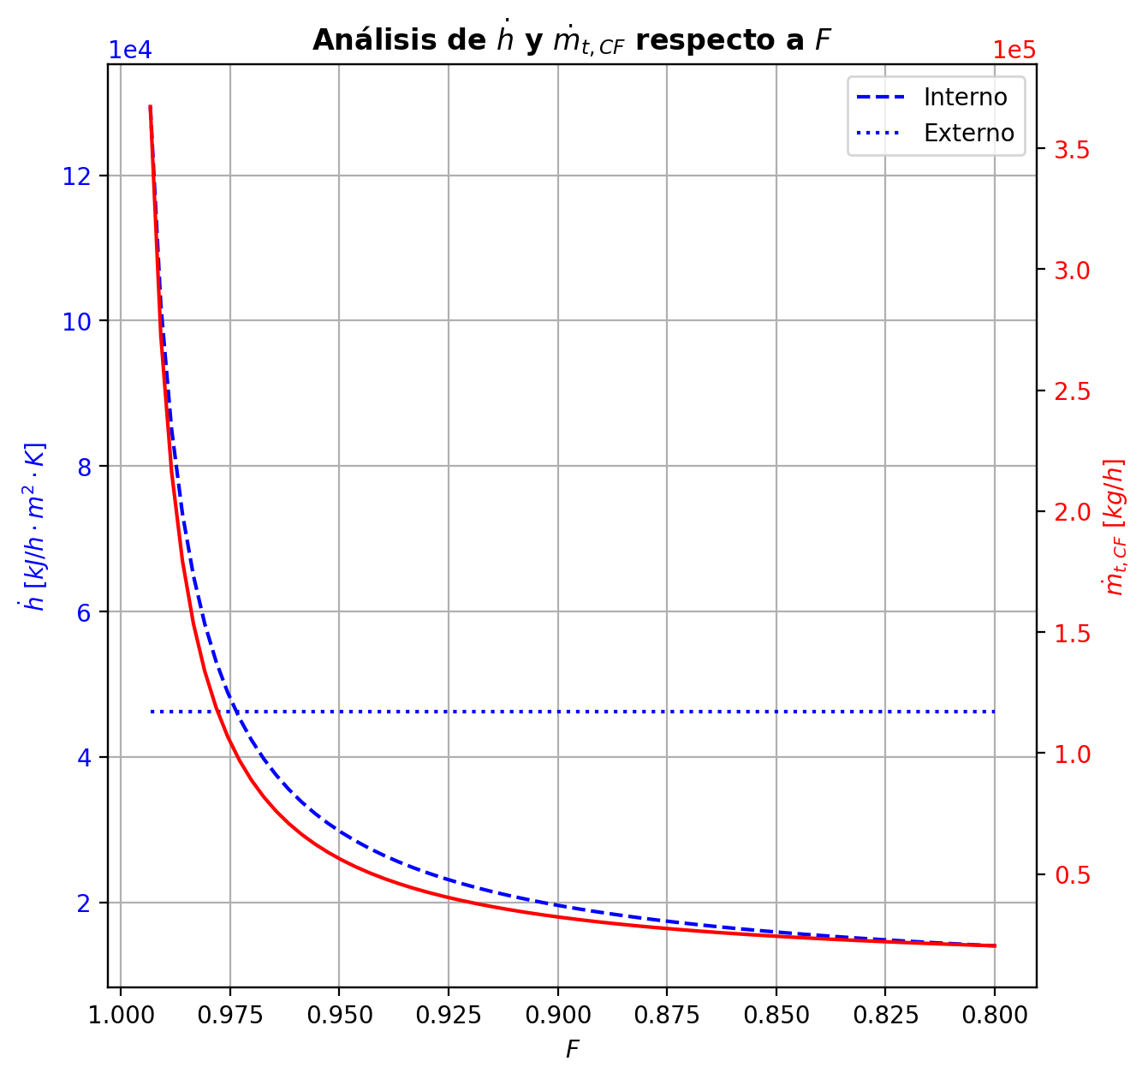
Agotamiento | 33 | 3.0516 | 2.9946 | - | - | 29.920316183 | 67.749919969 | 29.920316183 | 67.749919969 | 3.7496310052 | - | - | 0.0024670126301 | 0.0024670126301 | 0.0054253401572 | 0.00086399587217 | 0.0010272402061 | 0.0010272402061 | 5.348469007 | 0.82968726227 | -0.024497007361 | 0.029433140328 | 0.0049361329676 | -0.024509184863 | 1 | 1.2177502375E-05 | -0.024502077955 | 1.0021089344 | 5.0705942471E-06 | - | - | 197.28529729 | 197.28529729 | 197.07414941 | 197.06323718 | 197.06323718 | 69.044423276 | 12050.135536 | -5992.5725239 | 54.664308742 | -6047.2368327 | 493.0533068 | -6485.6258307 | - | - | -236962.34609 | -272389.23763 | - | - | 14.694519774
Agotamiento | 34 | 2.9946 | 2.9376 | - | - | 29.925252315 | 67.753579201 | 29.925252315 | 67.753579201 | 3.7499669348 | - | - | 0.001647999156 | 0.001647999156 | 0.0039193800935 | 0.00062401375047 | 0.00074944214059 | 0.00074944214059 | 5.3499988185 | 0.82973723856 | -0.018818054325 | 0.022477286618 | 0.0036592322926 | -0.018824084737 | 1 | 6.0304117298E-06 | -0.018820796708 | 1.0015411777 | 2.7423828823E-06 | - | - | 197.31990982 | 197.31990982 | 197.14073155 | 197.13236419 | 197.13236419 | 69.07146095 | 12056.182133 | -4567.6556643 | 46.409984878 | -4614.0656492 | 378.290793 | -4945.9464573 | - | - | -237123.51081 | -272441.94216 | - | - | 14.694529451
Agotamiento | 35 | 2.9376 | 2.8806 | 29.931572165 | - | 29.928911548 | 67.756239818 | 29.928911548 | 67.756239818 | 3.7502238268 | 0.00053612238928 | - | 0.0010190392719 | 0.0010190392719 | 0.0027627423639 | 0.00043978003238 | 0.00053612238928 | 0.00053612238928 | 5.3511856458 | 0.82977321919 | -0.014451750249 | 0.017112367261 | 0.0026606170117 | -0.014454461522 | 1 | 2.7112732225E-06 | -0.014453176666 | 1.0011039122 | 1.4264163493E-06 | 197.68251068 | - | 197.34924625 | 197.34924625 | 197.19182816 | 197.18541038 | 197.18541038 | 69.091402077 | 12060.805587 | -3467.2854206 | 40.788320473 | -3508.0737411 | 290.28092826 | -3757.5663489 | -237341.88746 | - | -237247.13595 | -272482.41698 | 14.817092856 | - | 14.694539132

